(Top)Materials look exp
Materials look exp

Image | Sr. No | Material | Cost (sq.ft) | Thk(mm) | Best Places to Use | Brands:
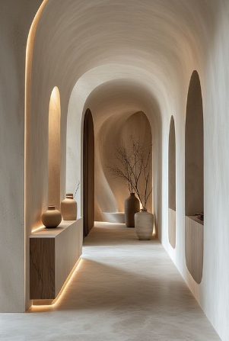 | 1 | Venetian Plaster Paint | ₹180 – ₹350 | 1–3 | Living room and bedroom accent walls, hotel lobbies,foyer, reception. | Vasari India
 | 2 | Marble-Finish Tiles | ₹90 + | 8–10 | Living room floors, bathroom walls, kitchen backsplash. | Kajaria, Somany, Nitco
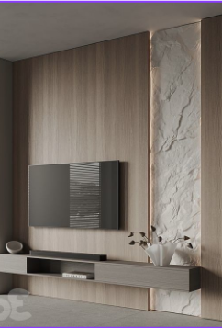 | 3 | Premium Finish Laminates | ₹200+ | 0.8 – 1.5 | TV units, wardrobes, kitchen cabinets, accent panels. | Royale Touche Luxury Laminates

(Bottom)Materials look exp
Materials that look Rs.50L+ But cost under RS.50K

Image | Details
 | 1) Venetian Plaster Paint
 | Description : Luxurious textured marble-like wall finish
 | Raw Material Cost: ₹180 – ₹350 / sq.ft
 | Thickness Required: 1–3 mm finished texture coat on prepared wall.
 | Installation Process: Prep wall (repair/primer) → apply base coat → apply texture/Venetian layers → seal with protective finish.
 | Maintenance: Wipe dust lightly, reseal every few years to preserve sheen.
 | Pros:
 | 1.Creates luxurious depth like stone or polished plaster, elevating feature walls.
 | 2.Can be customized with colour, sheen, and vein patterns to mimic high-end finishes.
 | Cons:
 | 1.Requires skilled applicator for premium finish.
 | 2.Not ideal for high-moisture areas without proper sealing.
 | Best Places to Use:
 | Living room and bedroom accent walls, hotel lobbies, luxury bathrooms,foyer, reception
 | Recommended Brands:
 | Vasari India

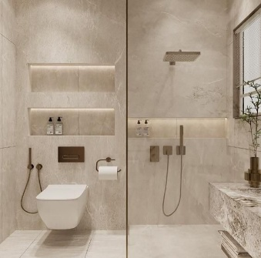 | 2) Marble-Finish Tiles :
 | Description : Elegant marble-look durable floor tiles
 | Raw Material Cost: ₹90 / sq.ft onwards
 | Thickness Required: 8–10 mm tile thickness.
 | Installation Process: Lay tiles on pre-prepared screed with adhesive → grout joints → seal if matte finish.
 | Maintenance: Mop with mild detergent; avoid harsh acids on polished surfaces.
 | Pros:
 | Realistic marble aesthetic at a fraction of stone cost and no upkeep of real stone.
 | Durable for floors/walls and available in many vein styles.
 | Cons:
 | Can feel cold without rugs or soft materials.
 | Grout lines still visible unless large format used.
 | Best Places to Use: Living room floors, bathroom walls, kitchen backsplash.
 | Recommended Brands : Kajaria, Somany, Nitco

 | 3) Premium Laminate Finish
 | Description : Sleek, durable surface finish that enhances aesthetics , easy maintenance and long-lasting performance.
 | Raw Material Cost: ₹200 / sq.ft onwards for high-finish decorative laminates
 | Thickness Required: 0.8 mm – 1.5 mm
 | Installation Process: Laminate sheets are bonded to substrates (ply/MDF) with adhesive; edges banded for finish.
 | Maintenance: Wipe with a soft damp cloth; avoid abrasive cleaners.
 | Pros:
 | Wide range of textures— stone, wood, gloss, matte.
 | Durable, scratch-resistant surfaces with easy cleaning.
 | Cons:
 | Looks less rich than real wood or lacquer if viewed closely.
 | Thin laminates can peel if bonded poorly or exposed to moisture.
 | Best Places to Use: TV units, wardrobes, kitchen cabinets, accent panels.
 | Recommended Brands: Royale Touche Luxury Laminates

(Bottom)TOP 10 MATERIALS
Top 10 Materals 2026

Image | Details
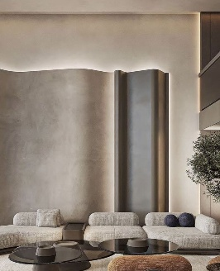 | 1)Liquid Metallic Ombre
 | · Description : Glossy gradient metallic fluid wall finish
 | · Raw Material Cost: ₹800-₹2500 /sq ft Metallic epoxy base paint + metallic pigments
 | · Thickness Required : 0.5–1 mm thin liquid coats epoxy layers, build up by multiple thin layers
 | · Installation Process : Prep surface → primer → base colour → metallic layers → seal with clear coat → level & cure.
 | · Maintenance: Wipe with a soft, damp microfiber, avoid abrasive cleaners.
 | · Pros : High visual impact & custom gradient effects with ultra-modern look. Seamless, continuous finish with minimal joints.
 | · Cons :Skilled application needed for smooth blends & avoiding streaks. Can show imperfections if surface not prepped perfectly.
 | · Best Places to Use : Feature walls, entry foyers, dining accent walls, bars, powder rooms
 | · Recommended Brands: Colortale

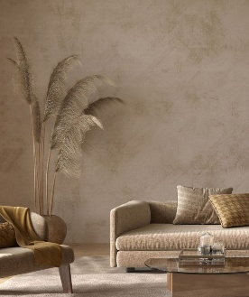 | 2) Microcement
 | · Description : Cement polymer resins fine aggregates mixture
 | · Raw Material Cost: As premium finish ₹200–₹500/ sq ft
 | · Thickness Required : 2–3 mm total on walls/floors
 | · Installation Process : Clean & prep → primer → base coats (2-3 coats) → top finish coats → sealing.
 | · Maintenance: Mop with neutral pH cleaner; avoid harsh chemicals.
 | · Pros : Seamless & waterproof finish with minimal look. . Ultra-thin so no change to floor/door levels.
 | · Cons : Must be applied by experienced skills for good adhesion. Can show cracks/chips if substrate moves.
 | · Best Places to Use : Floors, walls, bathrooms, furniture
 | · Recommended Brands: Colortale

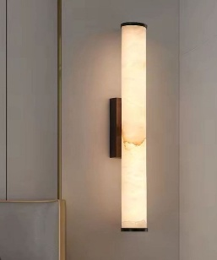 | 3) Alabaster Lights
 | · Description: Soft, glowing, sculptural lighting creating warmth and luxury without visual heavines.
 | · Raw Material Cost: ₹12,000 – ₹40,000/ light fixture
 | · Thickness Required : 5–20 mm solid alabaster stone or cast alabaster used in fixtures.
 | · Installation Process : Electrical point planning → ceiling hook / mounting plate → fixture installation → LED integration & testing
 | · Maintenance: Dust regularly and wipe gently with a dry or slightly damp cloth,avoid harsh cleaners.
 | · Pros : Creates a soft, warm glow and works as a strong visual centerpiece.Pairs beautifully with moderniinteriors
 | · Cons : Premium pricing. Requires careful handling due to the stone’s delicate nature.
 | · Best Places to Use : Dining rooms, bedrooms, table lamps, Luxury lounges
 | · Recommended Brands: World of abner,Mugen Design Lab

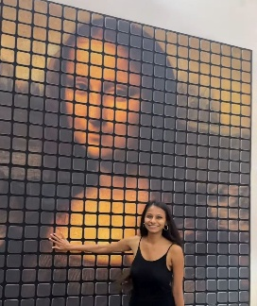 | 4) Artistic Acoustic Panels
 | · Description: Artistic wall panels that improves sound quality
 | · Raw Material Cost: ₹7,000 – ₹14,000/ panel unit
 | · Thickness Required : 20–50 mm
 | · Installation Process : Mark panel layout → mount clips/framing → fix panels → seal gaps.
 | · Maintenance: Vacuum or gentle fabric brush dusting.
 | · Pros : Reduces echo & improves room acoustics. Visual design element
 | · Cons : Higher cost than plain wall finishes. Needs correct placement for real acoustic impact.
 | · Best Places to Use : Home offices, studios, media rooms, living rooms.
 | · Recommended Brands: Unidus Accoustics

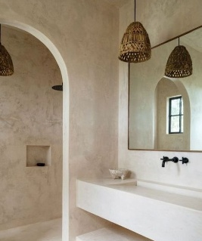 | 5) Textured Lime Plaster
 | · Description: Traditional lime + sand mixture-Breathable and timeless. Adds depth, softness, and an earthy elegance
 | · Raw Material Cost: Lime plaster material ₹40–₹120/ sq ft
 | · Thickness Required : 8–15 mm typical multi-coat
 | · Installation Process : Prep substrate → scratch coat → intermediary coat → final finish coat → curing.
 | · Maintenance: Wipe lightly & avoid harsh solvents.
 | · Pros : Breathable, sustainable & timeless finish. Reduces mould risk & regulates humidity.
 | · Cons : Longer install & requires skilled plasterer. Slightly higher cost and time than gypsum plaster.
 | · Best Places to Use : Feature walls, living rooms, hallway
 | · Recommended Brands: Limocoat
Image
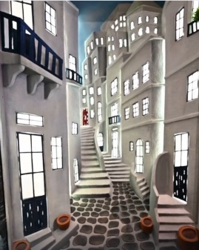 | 6) 3D ARTWORK
 | · Description: Handcrafted wall art with strong depth,giving a 3D feel
 | · Raw Material Cost: ₹55,000 onwards.
 | · Thickness Required :4–5 inches
 | · Installation Process :Artwork mounted on prepared wall using heavy-duty anchors & adhesives
 | · Maintenance :Dust gently with a soft dry cloth; avoid water or harsh cleaners.
 | · Pros : Creates a one-of-a-kind luxury focal point that cannot be replicated. Fully customizable in design, size, texture, and colour.
 | · Cons : Longer install & requires skilled plasterer. Slightly higher cost and time than gypsum plaster. Requires professional installation.
 | · Best Places to Use :Living room feature wall, Bedroom statement wall, Luxury hotel & reception areas
 | · Recommended Brands: Godai Arts
Image
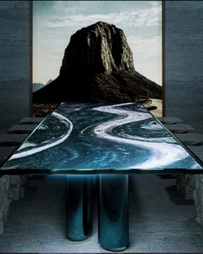 | 7) OPTICAL FIBRE FABRIC
 | · Description: A high-end luminous fabric that create glowing surfaces with light within.
 | · Raw Material Cost : varies on request.
 | · Thickness Required :
 | · Installation Process :Fabric stretched or panel-mounted over LED light source, with concealed wiring and power supply. Executed with
 | fabricator + electrician.
 | · Maintenance : Gentle vacuuming and dry cloth cleaning keeps lighting components dust-free.
 | · Pros : Creates soft ambient lighting with a futuristic luxury feel.Highly custom and experiential material.
 | · Cons : High cost. Requires specialized installation expertise.
 | · Best Places to Use : Feature walls in bedrooms, Dining Table Tops
 | · Recommended Brands: DreamLux (Italy)

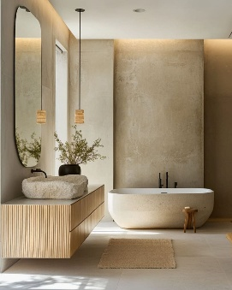 | 8) VENETIAN PLASTER
 | · Description: A premium wall finish that mimics natural stone with depth and subtle sheen.
 | · Raw Material Cost : ₹180- ₹400/ sq.ft
 | · Thickness Required : 2–5 mm applied in multiple thin coats
 | · Installation Process : Wall leveling → primer → 2–3 plaster coats applied with steel trowel → burnishing → optional sealer.
 | · Maintenance :Clean with a slightly damp cloth. Avoid abrasive cleaners.
 | · Pros : Gives a luxury stone-like finish without joints. Durable, breathable, and visually rich.
 | · Cons : Requires skilled applicators for best results.Costlier than regular paint finishes.
 | · Best Places to Use : Foyer & entry walls, Dining room feature walls, Master bedroom walls
 | · Recommended Brands: Vasari India

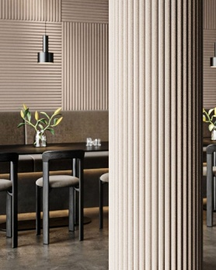 | 9) FLEXIBLE MDF CURVES
 | · Description: Flexible MDF sheets help give flute panel look, specially for curved or rounded walls.
 | · Raw Material Cost : ₹2,400 / sheet
 | · Thickness : 4 mm,6 mm ,8 mm, 12 mm
 | · Installation Process : Fixed onto curved surface or framework using Marine Fevicol. Clear silicone used at joints for flexibility and neat finish.
 | · Maintenance: Wipe with a dry or lightly damp cloth, protect from moisture.
 | · Pros : Enables seamless curves impossible with regular MDF. Lightweight and ideal for contemporary designs.
 | · Cons : Needs precise surface preparation. Must be properly sealed to prevent moisture damage.
 | · Best Places to Use : TV units & feature walls
 | · Recommended Brands: Element Décor
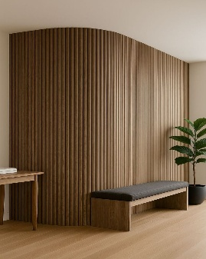
 | 10) WALL ACCOUSTIC FLUTED PANELS
 | · Description: Decorative fluted panels that improve acoustics while adding aesthetic look to walls.
 | · Raw Material Cost : ₹60 /- sq.ft onwards depending on acoustic core & finish
 | · Thickness Required : 9mm- 24mm thk
 | · Installation Process : Panels fixed on wall or battens using adhesive/screws, with optional acoustic insulation backing.
 | · Maintenance :Vacuum flutes periodically to avoid dust accumulation.
 | · Pros : Enhances sound absorption and speech clarity.Adds modern linear texture to interiors.
 | · Cons: Grooves require regular cleaning. Performance depends on correct backing and installation.
 | · Best Places to Use : Home theatres, Study rooms, Bedrooms, Conference & meeting rooms
 | · Recommended Brands: Unidus Acoustics

Limewash
LIMEWASH
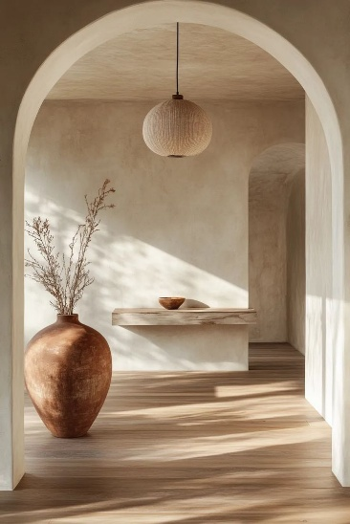
Material | Natural mineral-based paint made from hydrated lime (calcium hydroxide), water, and natural pigments. Chalky, breathable finish.
Raw Material Cost | ₹20 – ₹38 / sq.ft
Thickness | 0.2 – 0.5 mm per coat, built up in multiple layers. Supplied in liquid form in 5L, 10L, 20L buckets
Installation Process | Surface prep → dilute lime → apply 2–3 coats with brush → allow drying between coats
Maintenance | Medium durability of 2–5 years. Requires occasional touch-ups and recoating over time. Clean with dry or damp cloth; avoid harsh chemicals.
Pros | Cost-effective, natural finish, breathable walls, unique handcrafted aesthetic, antibacterial properties, soft earthy tones.
Cons | Less durable in high-traffic areas, may appear uneven if poorly applied, limited colour range, slower application due to multiple coats, requires periodic maintenance.
Best Place To Use | Living rooms, bedrooms, feature walls, boutique hotels, rustic interiors
Recommended Brands | Limocoat, Vasari India

Lime Plaster
LIME PLASTER
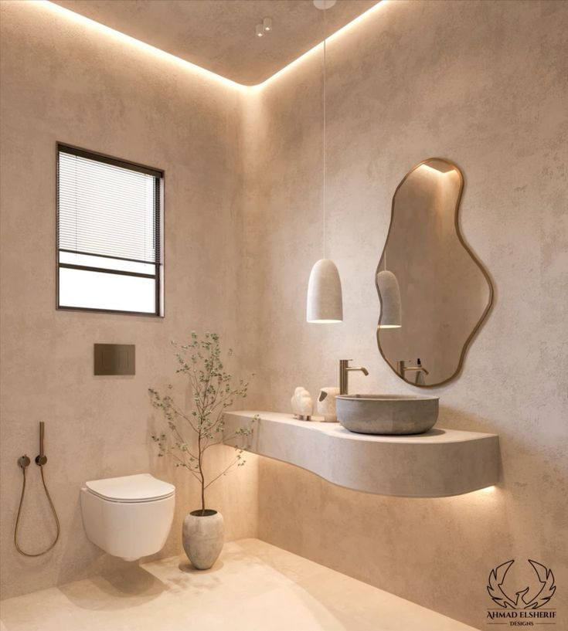
Material | A natural wall finish made from slaked lime (lime putty), fine sand and water. It may include natural additives. Completely mineral-based and free from synthetic chemicals.
Raw Material Cost | ₹80 – ₹250 per sq.ft depending on finish type,material quality, and applicator expertise.
Thickness | 2 – 5 mm. Applied in multiple layers (base + finish coats). Supplied as paste or dry mix.
Installation Process | Surface prep → base coat → second coat → smoothing/burnishing → curing
Maintenance | High durability: 8–15 years. Low maintenance; can be cleaned gently and may require occasional sealing in high-use areas.
Pros | Highly durable, breathable, natural and eco-friendly,versatile textures, crack-resistant, long lifespan.
Cons | Higher cost than lime wash, requires skilled labour, longer application time, limited bright colour options, surface cracks possible if improperly cured.
Best Place To Use | Feature walls, living rooms, bedrooms, luxury residences, boutique hotels, villas, Mediterranean and wabi-sabi interiors.
Recommended Brands | Limocoat, Vasari India and Colortale,

Venetian Plaster
VENETIAN PLASTER
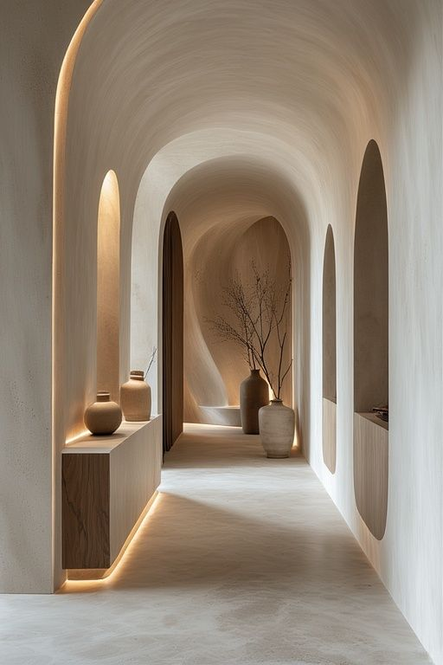
Material & Composition | A premium decorative plaster made from slaked lime (lime putty) with very fine marble dust and natural pigments. Mineral-based with a polished stone-like finish.
Raw Material Cost | ₹250 – ₹800/ sq.ft , depending on finish complexity, brand, and applicator expertise
Thickness | 1 – 3 mm overall thickness applied in multiple thin layers.
Installation Process | Base → multiple thin coats with steel trowel → burnish → optional sealing/waxing
Maintenance | High durability when sealed. Interior lifespan: 10–15+ years. Low maintenance; wipe with soft damp cloth. Avoid harsh chemicals. Periodic waxing may be required to maintain sheen.
Pros | Luxurious marble-like finish, seamless surface, highly durable, breathable , wide range of finishes like gloss,satin
Cons | Expensive, requires highly skilled labour, time-intensive application, difficult to repair seamlessly, surface imperfections highly visible if base is not perfect.
Best Place To Use | Feature walls, living rooms, master bedrooms, luxury residences, hotel lobbies, reception areas, high-end retail spaces.
Recommended Brands | Vasari India

Microcement
MICROCEMENT
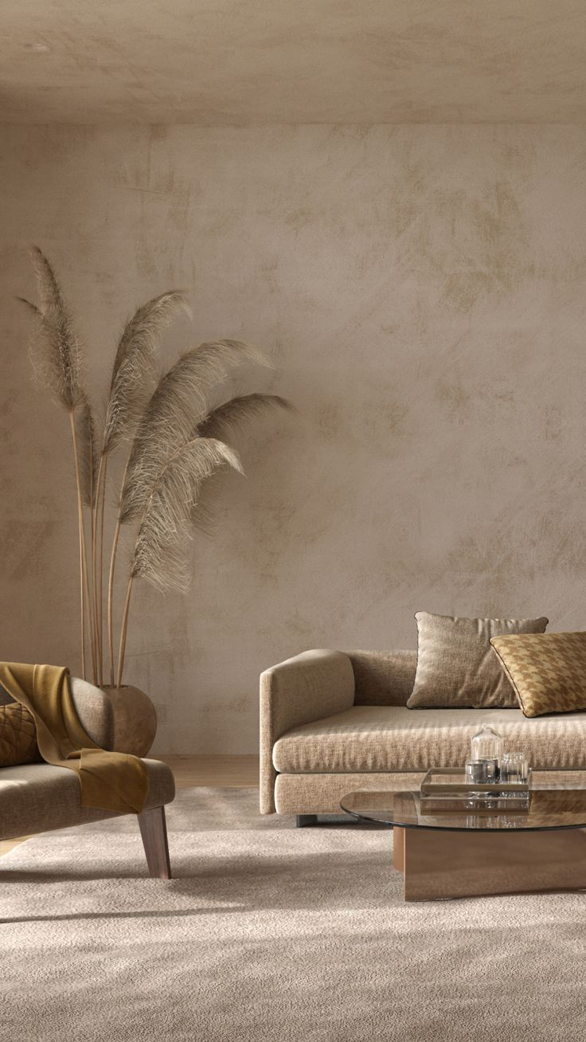
Material & Composition | A decorative coating made from cement, fine aggregates, polymers, resins, and pigments. Modified with additives for flexibility and water resistance.
Raw Material Cost | ₹180 – ₹450 per sq.ft (including material & labour), depending on brand, finish, and application complexity.
Thickness | 2 – 4 mm thickness applied in multiple layers.Supplied as powder + liquid polymer mix system.
Installation Process | Surface Prep → multiple thin coats with steel trowel → burnish → optional sealing/waxing
Maintenance | High durability. 10–15 years. Highly resistant to wear when sealed. Easy maintenance—clean with mild detergent; avoid abrasive scrubbing. Resealing may be required over time.
Pros | Seamless with no joints, highly versatile (walls, floors, bathrooms, furniture), waterproof when sealed, can be applied over existing surfaces
Cons | Requires highly skilled application, risk of cracks if substrate moves, expensive compared to tiles/paint, repair can be tricky, proper sealing is critical.
Best Place To Use | Bathrooms, kitchens, living rooms, feature walls, floors, staircases, furniture surfaces, modern and industrial interiors.
Recommended Brands | Colortale

Clay cadding
CLAY CLADDING
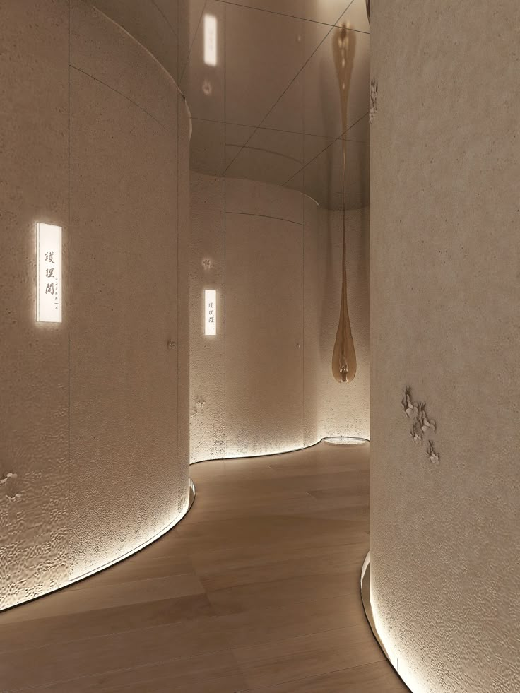
Material & Composition | Made from natural clay that is shaped and kiln-fired into panels, tiles, or bricks. May include terracotta, baked clay, or extruded clay elements. Completely natural and mineral-based.
Raw Material Cost | ₹150 – ₹500 per sq.ft. depending on profile, brand, and installation system.
Thickness | 10 – 25 mm thickness.Available as tiles, panels, hollow blocks, or baguette systems.
Installation Process | Surface prep → substructure framing preparation → fixing (mechanical or adhesive) → alignment & joint leveling → finishing (grouting/edge detailing)
Maintenance | Very high durability. 0–50 years. Resistant to weather, UV, and fading. Low maintenance; occasional cleaning with water recommended.
Pros | Natural material, highly durable, weather-resistant, excellent thermal insulation, breathable, timeless aesthetic, ideal for façades and feature walls.
Cons | Higher initial cost, requires proper installation system, heavier than paint/plaster finishes, limited colour palette (earth tones), skilled labour required.
Best Place To Use | Building façades, exterior walls, balconies, feature walls, commercial buildings, villas, earthy modern interiors.
Recommended Brands | MCM Flexi, and Articlad

Liquid Metallic Ombres
LIQUID METALLIC OMBRES

Material | Decorative coating made from water-based or solvent-based metallic paints containing metallic pigments, binders, and additives. Applied in layers to create gradient effects with reflective sheen.
Raw Material Cost | ₹180 – ₹500+ per sq.ft (including material & labour), depending on brand, metallic quality, and application complexity.
Thickness | Very thin coating of 0.5 – 1 mm overall across layer. Supplied as liquid paint system.
Installation Process | Surface prep → base coat → metallic layer application → ombre blending → optional protective topcoat
Maintenance | Medium durability. 5–8 years. Requires gentle cleaning with soft cloth; avoid abrasive cleaners. Protective coating improves longevity.
Pros | High visual impact, luxurious metallic sheen, customizable designs, wide colour options, perfect for statement walls, enhances lighting reflection.
Cons | Requires highly skilled application, expensive compared to regular paints, difficult to repair seamlessly, base surface imperfections highly visible, not suitable for rough use areas.
Best Place To Use | Feature walls, living rooms, dining areas, bedrooms, hotel lobbies, reception areas, salons, luxury retail spaces.
Recommended Brands | Colortale

(Top)Italian Marbles
Italian Marbles

Image | Sr. No | Material | Cost (sq.ft) | Thk(mm) | Best Places to Use | Brands:
 | 1 | Carrara marble | ₹500 – ₹1500 | 16-20 | Flooring, wall panels, bathrooms, countertops | Classic Marble Company, Elegant Marble
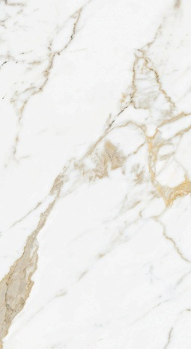 | 2 | Calacatta marble | ₹2000 – ₹6000 | 18-20 | Luxury flooring, statement walls, countertops | Classic Marble Company, Elegant Marble
 | 3 | Statuario marble | ₹1500 – ₹5000 | 16-20 | Luxury flooring, wall cladding, bathrooms, tabletops | Classic Marble Company,Elegant Marble
 | 4 | Crema Marfil | ₹600 – ₹1500 | 16-20 | Flooring, staircases, wall panels | Classic Marble Company, Elegant Marble
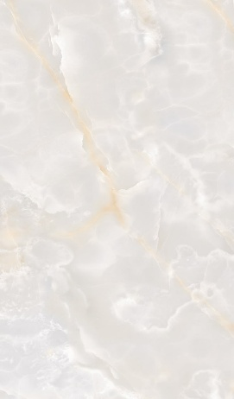 | 5 | Onyx Marble | ₹2000 – ₹7000 | 16-20 | Feature walls, bar counters, luxury interiors | Classic Marble Company, Elegant Marble
 | 6 | Armani Brown marble | ₹700 – ₹2000 | 16-20 | Luxury flooring, wall cladding, bathroom walls, feature walls, | Classic Marble Company, Elegant Marble
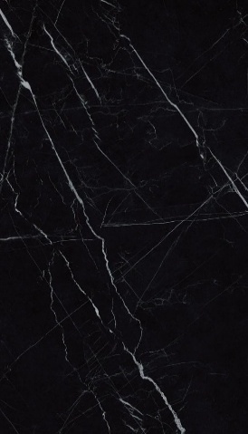 | 7 | White Portoro marble | ₹2500 – ₹8000 | 18-20 | Feature walls, luxury bathrooms, decorative panels | Classic Marble Company, Elegant Marble
 | 8 | Michelangelo marble | ₹900 – ₹2500 | 18-20 | Luxury flooring, wall cladding, bathrooms decorative wall panels | Classic Marble Company, Elegant Marble
 | 9 | Bianco Lasa marble | ₹900 – ₹2500 | 18-20 | Luxury flooring, wall cladding, bathrooms, decorative wall panels | Classic Marble Company, Elegant Marble
 | 10 | Travertine Marble | ₹250 – ₹800 | 16-20 | Living room flooring, Bathroom walls, Outdoor flooring and patios,Staircases | Classic Marble Company, Elegant Marble

(Bottom)Italian Marbles
Italian Marbles (Detailed)

ITALIAN MARBLES
Image | 1.Carrara marble | Details
 | Material | Light grey or white background with soft grey veining
 | Types | Bianco Carrara, Carrara Venato
 | Sizes | Slabs 8–10 ft length, 4–6 ft width
 | Thk (mm) | 16–18 ,18–20
 | Slab Cost (sq.ft) | ₹500 – ₹1500
 | Installation Method | Cement bedding or stone adhesive
 | Maintenance | Sealing recommended
 | Pros | Elegant look, relatively affordable for Italian marble
 | Cons | Can stain easily
 | Best Places to Use | Flooring, wall panels, bathrooms, countertops
 | Brands | Classic Marble Company, Elegant Marble

Image | 2.Calacatta marble | Details
 | Material | Luxurious Italian marble with a white base and dramatic thick gold or grey veining.
 | Types | Calacatta Gold, Calacatta Borghini, Calacatta Oro
 | Sizes | 8–10 ft length
 | Thk (mm) | 18mm – 20mm
 | Slab Cost (sq.ft) | ₹2000 – ₹6000
 | Installation Method | Installed using marble adhesive
 | Maintenance | Requires sealing
 | Pros | Highly luxurious aesthetic,Bold dramatic veining
 | Cons | Very expensive, Porous
 | Best Places to Use | Luxury flooring, statement walls, countertops
 | Brands | Classic Marble Company, Elegant Marble

Image | 3.Statuario marble | Details
 | Material | Bright white background with bold grey veins.
 | Types | Statuario Classic, Statuario Extra, Statuario Venato
 | Sizes | 8–10 ft length
 | Thk (mm) | 16–18,18–20
 | Slab Cost (sq.ft) | ₹1500 – ₹5000
 | Installation Method | Installed using cement mortar or stone adhesive
 | Maintenance | Requires sealing
 | Pros | Premium appearance, elegant veining
 | Cons | Expensive, porous
 | Best Places to Use | Luxury flooring, wall cladding, bathrooms, tabletops
 | Brands | Classic Marble Company,Elegant Marble

Image | 4.Crema Marfil | Details
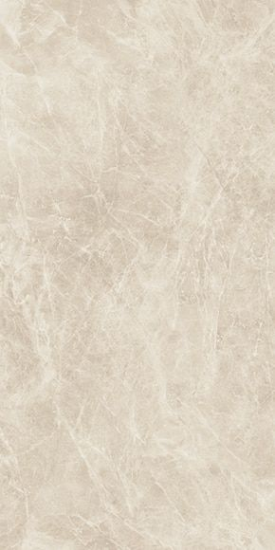 | Material | Beige marble from Spain with subtle veining.
 | Types | Crema Marfil Classic, Crema Marfil Select, Crema Marfil Coto
 | Sizes | 7–9 ft
 | Thk (mm) | 18-20
 | Slab Cost (sq.ft) | ₹600 – ₹1500
 | Installation Method | Cement mortar bedding
 | Maintenance | Requires sealing
 | Pros | Warm neutral tone suitable for many interiors, Very versatile
 | Cons | Porous stone
 | Best Places to Use | Flooring, staircases, wall panels
 | Brands | Classic Marble Company, Elegant Marble

Image | 5.Onyx Marble | Details
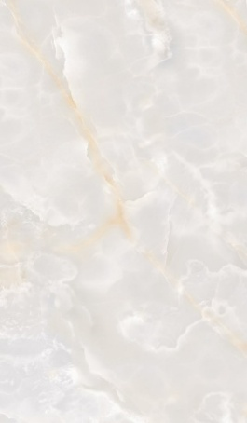 | Material | Translucent natural stone with dramatic patterns and vibrant colors.
 | Types | Honey Onyx, Green Onyx, White Onyx, Pink Onyx
 | Sizes | 6–9 ft
 | Thk (mm) | 16 – 20
 | Slab Cost (sq.ft) | ₹2000 – ₹7000
 | Installation Method | Special stone adhesive with back support
 | Maintenance | Careful cleaning and sealing
 | Pros | Translucent, unique patterns
 | Cons | Fragile and expensive
 | Best Places to Use | Feature walls, bar counters, luxury interiors
 | Brands | Classic Marble Company, Elegant Marble

Image | 6.Armani Brown marble | Details
 | Material | Dark brown marble with fine linear veins and elegant texture.
 | Types | Armani Brown Classic, Armani Grey, Armani Bronze
 | Sizes | 8–10 ft length
 | Thk (mm) | 16– 20
 | Slab Cost (sq.ft) | ₹700 – ₹2000
 | Installation Method | Installed with cement mortar or stone adhesive with proper leveling
 | Maintenance | Periodic polishing and sealing recommended
 | Pros | Rich elegant colour, luxurious appearance, suitable for modern interiors
 | Cons | Requires sealing, darker colour may show dust
 | Best Places to Use | Luxury flooring, wall cladding, bathroom walls, feature walls
 | Brands | Classic Marble Company, Elegant Marble

Image | 7.White Portoro marble | Details
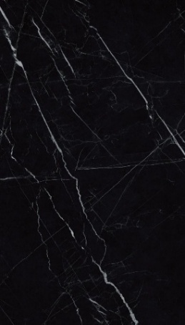 | Material | Characterized by a deep black base with dramatic gold and white veins.
 | Types | Portoro Gold, Portoro Black
 | Sizes | 6–8 ft
 | Thk (mm) | 18 – 20
 | Slab Cost (sq.ft) | ₹2500 – ₹8000
 | Installation Method | Installed using stone adhesive with skilled stone installation
 | Maintenance | Regular sealing and careful cleaning recommended
 | Pros | Highly luxurious appearance, unique veining pattern
 | Cons | Very expensive, limited availability
 | Best Places to Use | Feature walls, luxury bathrooms, decorative panels
 | Brands | Classic Marble Company, Elegant Marble

Image | 8.Michelangelo marble | Details
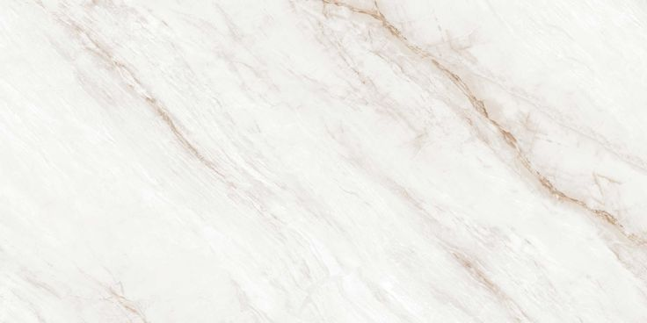 | Material | Soft white background with elegant grey and beige veining
 | Types | Michelangelo White, Michelangelo Grey
 | Sizes | 8–10 ft length
 | Thk (mm) | 18 – 20
 | Slab Cost (sq.ft) | ₹900 – ₹2500
 | Installation Method | Installed using cement mortar bedding or stone adhesive by skilled marble installers
 | Maintenance | Periodic sealing and polishing recommended
 | Pros | Elegant veining, premium aesthetic, versatile for modern and classic interiors
 | Cons | Porous material, requires sealing
 | Best Places to Use | Luxury flooring, wall cladding, bathrooms, countertops, decorative wall panels
 | Brands | Classic Marble Company, Elegant Marble

Image | 9.Bianco Lasa marble | Details
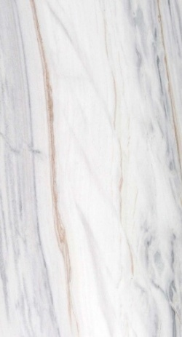 | Material | Bright white marble with fine grey veining.
 | Types | Bianco Lasa Classic, Bianco Lasa Venato
 | Sizes | 7–9 ft
 | Thk (mm) | 16 – 20
 | Slab Cost (sq.ft) | ₹1500 – ₹4000
 | Installation Method | Installed with cement mortar or marble adhesive with professional stone fixing
 | Maintenance | Sealing and periodic polishing required to maintain shine
 | Pros | Bright white appearance, elegant and timeless design
 | Cons | Expensive and requires regular maintenance
 | Best Places to Use | Premium flooring, wall cladding, bathrooms, luxury feature walls
 | Brands | Classic Marble Company, Elegant Marble

Image | 10.Travertine Marble | Details
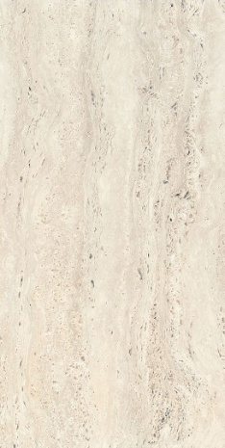 | Material | Natural limestone in warm earthy tones with naturally occurring holes and linear patterns.
 | Types | Classic Travertine, Silver Travertine,Walnut Travertine, Ivory Travertine
 | Sizes | 7–10 ft lengt
 | Thk (mm) | 16 – 20 mm (flooring), 12 – 16 mm (wall cladding)
 | Slab Cost (sq.ft) | ₹250 – ₹800
 | Installation Method | Installed using cement mortar or stone adhesive on a prepared base
 | Maintenance | Seal the stone. Clean with mild pH-neutral stone cleaner.Avoid acidic cleaners
 | Pros | Elegant natural texture, Unique patterns, Cool Temperature, Durable
 | Cons | Porous material, Natural holes may require filling,Can stain, Softer
 | Best Places to Use | Living room flooring, Bathroom walls, Outdoor flooring and patios,Staircases
 | Brands | Classic Marble Company, Elegant Marble

(Bottom)Indian Marbles
Italian Marbles (Detailed)

INDIAN MARBLES

Image | 1.Makrana marble | Details
 | Material | Pure white colour
 | Types | Makrana White, Makrana Albeta
 | Sizes | 8–10 ft length Slabs, Cut tiles: 1×1 ft, 2×2 ft, 2×4 ft
 | Thk (mm) | 16–18 flooring,18–20 staircases, 12–15 wall cladding
 | Slab Cost (sq.ft) | ₹200 – ₹700
 | Installation Method | Cement mortar bedding
 | Maintenance | Periodic polishing
 | Pros | Durable and long-lasting
 | Cons | Limited vein patterns
 | Best Places to Use | Flooring, temples, wall cladding
 | Brands | Classic Marble Company, Elegant Marble

Image | 2.Banswara Marble | Details
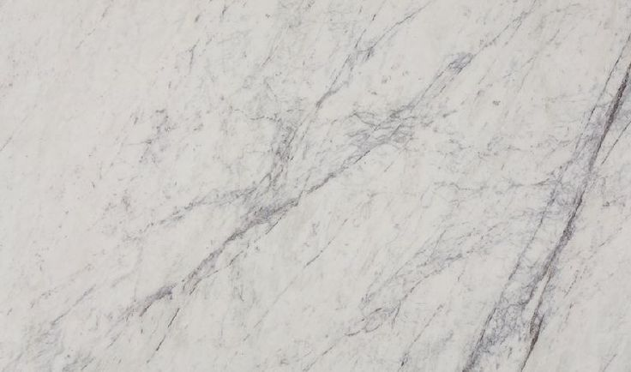 | Material | White marble with distinctive purple or grey veins
 | Types | Banswara White, Banswara Purple, Banswara Gold
 | Sizes | 5–9 ft length Slabs, Cut tiles 2×2 ft, 2×4 ft
 | Thk (mm) | 16–18 flooring, 18–20 heavy-use areas 12–15 wall cladding
 | Slab Cost (sq.ft) | ₹120 – ₹400
 | Installation Method | Cement mortar bed installation, Polishing after laying
 | Maintenance | Periodic sealing recommended, Avoid acidic cleaners
 | Pros | Attractive natural veining, Good durability, Suitable for large flooring areas
 | Cons | Requires sealing, Slight colour variation between slabs
 | Best Places to Use | Living room flooring, Staircases, Feature walls
 | Brands | Classic Marble Company, Elegant Marble

Image | 3.Katni Marble | Details
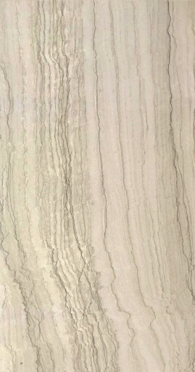 | Material | Beige and cream tones with subtle veining.
 | Types | Katni Beige, Katni Brown, Katni Pink
 | Sizes | 4–8 ft length slabs, Tiles 1×1 ft, 2×2 ft
 | Thk (mm) | 16–18 flooring, 12–15 wall cladding
 | Slab Cost (sq.ft) | ₹90 – ₹250
 | Installation Method | Installed with cement mortar, Mirror polishing done after installation
 | Maintenance | Seal periodically, Regular cleaning with mild detergent
 | Pros | Affordable, Neutral colours , Widely available
 | Cons | Slightly porous, Less luxurious than Italian marbles
 | Best Places to Use | Living rooms, Bedrooms, Commercial flooring
 | Brands | Classic Marble Company, Elegant Marble

Image | 4.Ambaji Marble | Details
 | Material | Milky white marble with uniform appearance and smooth texture.
 | Types | Ambaji White, Ambaji Grey
 | Sizes | Slabs 5–8 ft length, Tiles 2×2 ft, 2×4 ft
 | Thk (mm) | 16–18 flooring, 12–15 cladding
 | Slab Cost (sq.ft) | ₹100 – ₹350
 | Installation Method | Installed using cement mortar or stone adhesive
 | Maintenance | Periodic polishing, Use pH-neutral cleaners
 | Pros | Clean white appearance, Affordable, Easy to polish
 | Cons | Can stain if not sealed, Slightly porous
 | Best Places to Use | Flooring, Wall cladding, Staircases
 | Brands | RK Marble

Image | 5.Morwad Marble | Details
 | Material | White marble with subtle grey patterns.
 | Types | Morwad White Morwad Light Vein
 | Sizes | Slabs 5–8 ft length, Tiles 2×2 ft
 | Thk (mm) | 16–18 flooring, 12–15 cladding
 | Slab Cost (sq.ft) | ₹90 – ₹250
 | Installation Method | Cement mortar installation, Polishing after laying
 | Maintenance | Periodic sealing recommended, Clean with mild stone cleaner
 | Pros | Budget-friendly marble, Light colour brightens interiors, Easy to install
 | Cons | Slightly softer than premium marbles, May require regular polishing
 | Best Places to Use | Bedrooms, Living room flooring, Staircases
 | Brands | Rajasthan marble suppliers

(Top)Granite
Granites

Image | Sr. No | Material | Cost (sq.ft) | Thk(mm) | Best Places to Use | Brands:
 | 1 | Black Granite | ₹180 – ₹700 | 16-30 | Kitchen countertops, flooring, staircases, wall cladding | RK Marble, Classic Marble Company
 | 2 | Ceramic Tiles | ₹250 – ₹800 | 16-30 | Kitchen countertops, feature walls, tabletops | RK Marble, Classic Marble Company
 | 3 | Steel Grey Granite | ₹250 – ₹800 | 16-30 | Kitchen countertops, feature walls, tabletops | RK Marble, Classic Marble Company
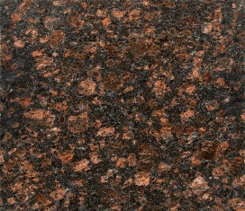 | 4 | Tan Brown Granite | ₹140 – ₹350 | 16-30 | Countertops, flooring, staircases | RK Marble, Classic Marble Company
 | 5 | Viscount White Granite | ₹180 – ₹450 | 16-30 | Flooring, kitchen countertops, wall cladding, staircases | RK Marble, Classic Marble Company
 | 6 | Alaska White Granite | ₹250 – ₹700 | 16-30 | Kitchen countertops, islands, feature walls, bathrooms | RK Marble, Classic Marble Company
 | 7 | Imperial Red Granite | ₹140 – ₹350 | 15–20 | Flooring, staircases, exterior cladding, kitchen countertop | RK Marble, Classic Marble Company

(Below)Granite
Types Of Granite (Detailed)

Image | 1. Black Granite | Details
 | Material | Deep black, uniform granite with a sleek and modern appearance.
 | Types | Absolute Black, Premium Black, Jet Black
 | Sizes | Slabs (8–10 ft), Cut sizes (2×2 ft, 2×4 ft)
 | Thk (mm) | 16–20 , 20–30 mm
 | Cost (sq.ft) | ₹180 – ₹700
 | Installation Method | Cement mortar or stone adhesive
 | Maintenance | Easy cleaning; occasional sealing recommended
 | Pros | Highly durable, stain-resistant, premium look, easy to maintain
 | Cons | Shows dust and fingerprints, limited pattern variation
 | Best Places to Use | Kitchen countertops, flooring, staircases, wall cladding
 | Brands | RK Marble, Classic Marble Company

Image | 2.Black Galaxy Granite | Details
 | Material | Black granite with gold or white specks
 | Types | Small Galaxy, Medium Galaxy, Premium Galaxy
 | Sizes | Slabs 8–10 ft
 | Thk (mm) | 16–20 , 20–30
 | Cost (sq.ft) | ₹250 – ₹800
 | Installation Method | Cement mortar or stone adhesive
 | Maintenance | Easy cleaning; periodic sealing
 | Pros | Luxurious look, durable, unique pattern
 | Cons | Costlier than other granites
 | Best Places to Use | Kitchen countertops, feature walls, tabletops
 | Brands | RK Marble, Classic Marble Company

Image | 3.Steel Grey Granite | Details
 | Material | Grey granite with subtle speckled patterns.
 | Types | Steel Grey Polished, Steel Grey Leather Finish
 | Sizes | Slabs 8–10 ft
 | Thk (mm) | 16–20, 20–30
 | Cost (sq.ft) | ₹150 – ₹400
 | Installation Method | Cement mortar or stone adhesive
 | Maintenance | Low maintenance; periodic sealing
 | Pros | Durable, budget-friendly, hides dust well
 | Cons | Less luxurious compared to marble, limited veining
 | Best Places to Use | Kitchen countertops, flooring, outdoor areas
 | Brands | RK Marble, Classic Marble Company

Image | 4.Tan Brown Granite | Details
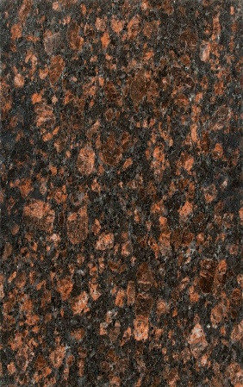 | Material | Dark brown granite with black and reddish specks
 | Types | Tan Brown Classic, Tan Brown Dark
 | Sizes | Slabs 8–10 ft
 | Thk (mm) | 16–20, 20–30
 | Cost (sq.ft) | ₹140 – ₹350
 | Installation Method | Cement mortar or stone adhesive
 | Maintenance | Easy cleaning; occasional sealing
 | Pros | Affordable, durable, warm tones
 | Cons | Busy pattern may not suit minimal interiors
 | Best Places to Use | Countertops, flooring, staircases
 | Brands | RK Marble, Classic Marble Company

Image | 5.Viscount White Granite | Details
 | Material | A white to light grey granite with flowing linear black and grey veins
 | Types | Viscount White Classic, Viscount White Premium
 | Sizes | Slabs (8–10 ft length, 4–6 ft width)
 | Thk (mm) | 16–20 , 20–30 mm
 | Cost (sq.ft) | ₹180 – ₹450
 | Installation Method | Cement mortar or stone adhesive
 | Maintenance | Easy maintenance; periodic sealing recommended
 | Pros | Marble-like look, durable, cost-effective, widely available
 | Cons | Pattern variation between slabs, may require careful selection
 | Best Places to Use | Flooring, kitchen countertops, wall cladding, staircases
 | Brands | RK Marble, Classic Marble Company

Image | 6.Alaska White Granite | Details
 | Material | A premium white granite with dramatic grey, black, and beige patterns.
 | Types | Alaska White Standard, Alaska White Premium
 | Sizes | Slabs (8–10 ft length, 4–6 ft width)
 | Thk (mm) | 16–20 , 20–30 mm
 | Cost (sq.ft) | ₹250 – ₹700
 | Installation Method | Cement mortar or stone adhesive
 | Maintenance | Periodic sealing recommended; easy cleaning
 | Pros | Premium aesthetic, unique patterns, durable, enhances luxury appeal
 | Cons | Higher cost, high variation in patterns, requires selection from slabs
 | Best Places to Use | Kitchen countertops, islands, feature walls, bathrooms
 | Brands | RK Marble, Classic Marble Company

Image | 7.Imperial Red Granite | Details
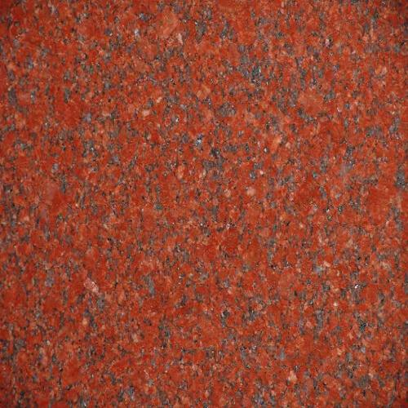 | Material | A rich, deep red granite with black and grey crystalline specks.
 | Types | Imperial Red, New Imperial Red, Ruby Red, Jhansi Red
 | Sizes | Slabs (8–10 ft length, 4–6 ft width), Cut tiles (2×2 ft, 2×4 ft)
 | Thk (mm) | 16–20 , 20–30 mm
 | Cost (sq.ft) | ₹140 – ₹350
 | Installation Method | Cement mortar or stone adhesive
 | Maintenance | Easy maintenance; periodic sealing recommended
 | Pros | Extremely durable, weather-resistant, bold color, low maintenance, widely available
 | Cons | Strong color may not suit modern minimal interiors, busy pattern
 | Best Places to Use | Flooring, staircases, exterior cladding, kitchen countertops, commercial spaces
 | Brands | RK Marble, Classic Marble Company

(Top)Quartz
Quartz

Image | Sr. No | Material | Cost (sq.ft) | Thk(mm) | Best Places to Use | Brands:
 | 1 | Calacatta Quartz | ₹300 – ₹800 | 15-20 | Kitchen countertops, islands, backsplashes, bathrooms | Caesarstone, KalingaStone, Specta, AGL Quartz
 | 2 | Carrara Quartz | ₹250 – ₹600 | 15-20 | Countertops, bathrooms, wall cladding | KalingaStone, Caesarstone
 | 3 | Solid White Quartz | ₹200 – ₹500 | 15-20 | Kitchen countertops, lab counters, modern interiors | AGL Quartz, KalingaStone
 | 4 | Black Quartz | ₹250 – ₹700 | 15-20 | Countertops, vanities, feature walls | Caesarstone,KalingaStone
 | 5 | Grey Quartz | ₹220 – ₹600 | 15-20 | Kitchens, bathrooms, commercial spaces | AGL Quartz, KalingaStone
 | 6 | Terrazzo Quartz | ₹300 – ₹700 | 15-18 | Countertops, feature walls, cafes, retail | AGL Quartz
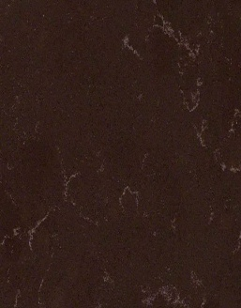 | 7 | Brown Quartz | ₹250 – ₹700 | 15-20 | Kitchen countertops, bar units, vanities, feature counters | KalingaStone, Caesarstone, AGL Quartz

(Below) Quartz
Types Of Quartz (Detailed)

Image | 1.Calacatta Quartz | Details
 | Material | Engineered quartz with a bright white base and bold grey veining
 | Types | Calacatta Gold, Calacatta Classic, Calacatta Oro
 | Sizes | Slabs (8–10 ft )length, 4–5 ft width)
 | Thk (mm) | 15 ,18, 20
 | Cost (sq.ft) | ₹300 – ₹800
 | Brands | Caesarstone, KalingaStone, Specta, AGL Quartz
 | Installation Method | Installed using adhesive on plywood/stone base
 | Maintenance | Very low maintenance; no sealing required
 | Pros | Marble-like aesthetic, non-porous, stain-resistant, premium look
 | Cons | Expensive, visible seams in large areas
 | Best Places to Use | Kitchen countertops, islands, backsplashes, bathrooms

Image | 2. Carrara Quartz | Details
 | Material | Subtle white quartz with soft grey veining
 | Types | Carrara White, Carrara Mist
 | Sizes | Slabs 8–10 ft
 | Thk (mm) | 15, 18, 20
 | Cost (sq.ft) | ₹250 – ₹600
 | Installation Method | Adhesive on base substrate
 | Maintenance | Low maintenance; no sealing
 | Pros | Elegant, consistent pattern, budget-friendly vs Calacatta
 | Cons | Less dramatic appearance
 | Best Places to Use | Countertops, bathrooms, wall cladding
 | Brands | KalingaStone, Caesarstone

Image | 3. Solid White Quartz | Details
 | Material | Plain white engineered quartz with a clean, uniform appearance
 | Types | Pure White, Super White, Arctic White
 | Sizes | Slabs 8–10 ft
 | Thk (mm) | 15 , 18 , 20
 | Cost (sq.ft) | ₹200 – ₹500
 | Installation Method | Adhesive on base
 | Maintenance | Easy cleaning; no sealing
 | Pros | Clean look, consistent color, easy to match
 | Cons | Shows stains/dirt if not cleaned regularly
 | Best Places to Use | Kitchen countertops, lab counters, modern interiors
 | Brands | AGL Quartz, KalingaStone

Image | 4. Black Quartz | Details
 | Material | Deep black quartz available in plain or speckled finishes
 | Types | Absolute Black Quartz, Black Mirror Quartz
 | Sizes | Slabs 8–10 ft
 | Thk (mm) | 15, 18, 20
 | Cost (sq.ft) | ₹250 – ₹700
 | Installation Method | Adhesive installation
 | Maintenance | Easy cleaning
 | Pros | Premium look, non-porous, stain-resistant
 | Cons | Shows fingerprints and dust
 | Best Places to Use | Countertops, vanities, feature walls
 | Brands | Caesarstone,KalingaStone

Image | 5.Grey Quartz | Details
 | Material | Neutral grey quartz with uniform or textured finishes
 | Types | Concrete Grey, Ash Grey, Cement Quartz
 | Sizes | Slabs 8–10 ft
 | Thk (mm) | 15 , 18, 20
 | Cost (sq.ft) | ₹220 – ₹600
 | Installation Method | Adhesive on substrate
 | Maintenance | Low maintenance
 | Pros | Modern look, versatile, hides stains better than white
 | Cons | Can look flat if not paired well
 | Best Places to Use | Kitchens, bathrooms, commercial spaces
 | Brands | AGL Quartz, KalingaStone

Image | 6.Terrazzo Quartz | Details
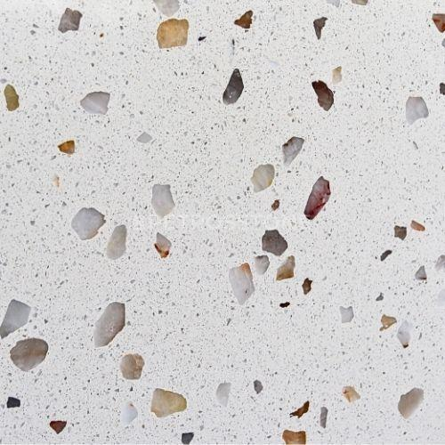 | Material | Quartz designed with chip-like patterns to mimic terrazzo, adding texture and visual interest.
 | Types | Fine Chip, Large Chip Terrazzo Quartz
 | Sizes | Slabs 8–10 ft
 | Thk (mm) | 15, 18
 | Cost (sq.ft) | ₹300 – ₹700
 | Installation Method | Adhesive installation
 | Maintenance | Easy cleaning
 | Pros | Unique design, trendy, hides stains well
 | Cons | Not suitable for minimal aesthetics
 | Best Places to Use | Countertops, feature walls, cafes, retail
 | Brands | AGL Quartz

Image | 7. Brown Quartz | Details
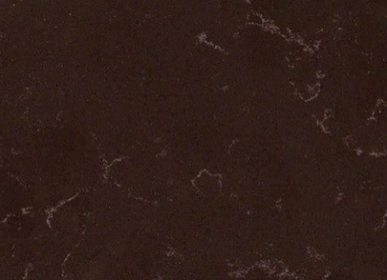 | Material | Engineered quartz in warm brown tones ranging from light beige to deep chocolate
 | Types | Caramel Brown, Cappuccino, Coffee Brown, Espresso Brown, Veined Brown Quartz
 | Sizes | Slabs (8–10 ft length, 4–5 ft width)
 | Thk (mm) | 15, 18, 20
 | Cost (sq.ft) | ₹250 – ₹700
 | Installation Method | Installed using adhesive on plywood/stone base
 | Maintenance | Very low maintenance; no sealing required
 | Pros | Warm aesthetic, hides stains better than white, non-porous, durable
 | Cons | Can make small spaces look darker, less commonly used than white/grey
 | Best Places to Use | Kitchen countertops, bar units, vanities, feature counters
 | Brands | KalingaStone, Caesarstone, AGL Quartz

(Below)Quartzite
Types Of Quartzite (Detailed)

Image | 1.Taj Mahal Quartzite | Details
 | Material | A premium quartzite with a creamy beige/ivory base and soft gold-grey veining,
 | Types | Taj Mahal Classic, Taj Mahal Premium
 | Sizes | Slabs (8–10 ft length, 4–6 ft width)
 | Thk (mm) | 15–20 , 20–30
 | Cost (sq.ft) | ₹400 – ₹1200
 | Installation Method | Stone adhesive / cement base
 | Maintenance | Periodic sealing recommended
 | Pros | Luxurious, heat-resistant, durable, timeless
 | Cons | Expensive, requires sealing
 | Best Places to Use | Kitchen countertops, islands, bathrooms, wall cladding
 | Brands | Classic Marble Company

Image | 2. Patagonia Quartzite | Details
 | Material | A dramatic, exotic quartzite with a mix of white, gold, black, and translucent crystal patches
 | Types | Patagonia Classic, Backlit Patagonia
 | Sizes | Slabs 8–10 ft
 | Thk (mm) | 18–20 , 20–30
 | Cost (sq.ft) | ₹800 – ₹2500
 | Installation Method | Expert installation required
 | Maintenance | Sealing required
 | Pros | Unique patterns, can be backlit, highly premium
 | Cons | Very expensive, not uniform
 | Best Places to Use | Feature walls, islands, luxury spaces
 | Brands | Classic Marble Company

Image | 3.White Macaubas Quartzite | Details
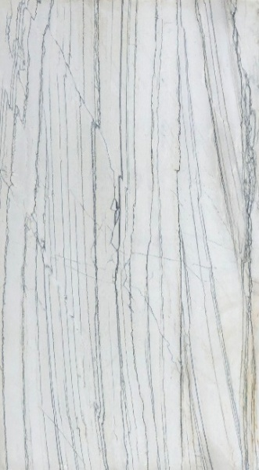 | Material | A light white quartzite with subtle linear grey veining
 | Types | White Macaubas Classic
 | Sizes | Slabs 8–10 ft
 | Thk (mm) | 15–20
 | Cost (sq.ft) | ₹500 – ₹1200
 | Installation Method | Stone adhesive
 | Maintenance | Periodic sealing
 | Pros | Elegant, minimal, durable
 | Cons | Limited dramatic pattern
 | Best Places to Use | Kitchens, bathrooms, minimal interiors
 | Brands | Classic Marble Company

Image | 4. Cristallo Quartzite | Details
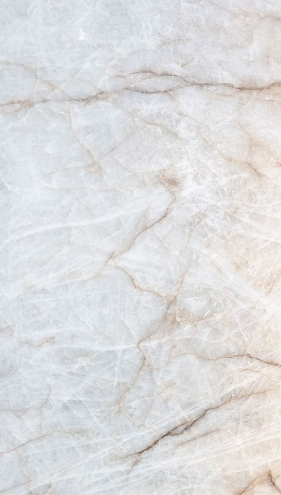 | Material | A translucent white quartzite with crystalline structure, often backlit for a glowing luxury effect.
 | Types | Cristallo White, Cristallo Gold
 | Sizes | Customised
 | Thk (mm) | 15–20
 | Cost (sq.ft) | ₹1000 – ₹3000
 | Installation Method | Specialized installation
 | Maintenance | Careful maintenance + sealing
 | Pros | Translucent, unique, ultra-luxury
 | Cons | Very expensive, delicate handling
 | Best Places to Use | Feature walls, bar counters, luxury interiors
 | Brands | Classic Marble Company

Image | 5.Blue Roma Quartzite | Details
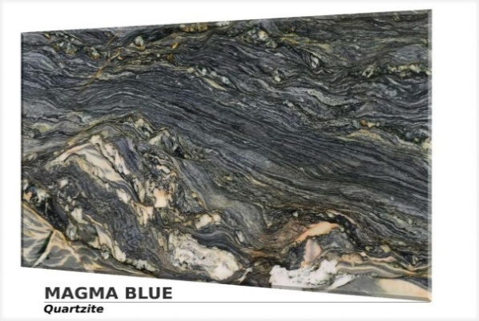 | Material | A bold quartzite with blue, grey, and golden tones
 | Types | Blue Roma Classic
 | Sizes | Slabs 8–10 ft
 | Thk (mm) | 15–20
 | Cost (sq.ft) | ₹700 – ₹2000
 | Installation Method | Expert installation
 | Maintenance | Sealing required
 | Pros | Unique color, high visual impact
 | Cons | Expensive, not versatile for all interiors
 | Best Places to Use | Feature walls, countertops, statement areas
 | Brands | Classic Marble Company

(Top)Laminates Finishes)
Laminates Finishes

Image | Sr. No | Material | Cost (sq.ft) | Thk(mm) | Best Places to Use | Brands:
 | 1 | Solid Color Laminate | ₹70 – ₹200 | 0.8, 1 | Wardrobes, kitchens, offices | Greenlam, Merino, CenturyPly
 | 2 | Wood Grain Laminate | ₹100 – ₹300 | 0.8 – 1 | Furniture, wardrobes, wall panels | Merino, Greenlam, CenturyPly
 | 3 | Marble Finish Laminate | ₹120 – ₹350 | 1 | TV units, wall panels, kitchens | Royale Touche, Greenlam
 | 4 | Fabric Finish Laminate | ₹150 – ₹400 | 1 | Feature walls, wardrobe | Greenlam, CenturyPly
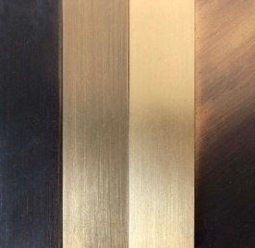 | 5 | Metallic Finish Laminate | ₹250 – ₹600 | 0.8– 1 | Feature walls, commercial interiors | Royale Touche, Merino
 | 6 | Digital Printed Laminate | ₹150 – ₹400 | 0.8 – 1 | Wardrobes, cabinet shutters, feature panels | Greenlam, Merino, Royale Touche
 | 7 | Cane Finish Laminate | ₹150 – ₹400 | 0.8 – 1 | Wardrobes, cabinet shutters, feature panels | Greenlam, Merino, Royale Touche
 | 8 | Stone Finish Laminate | ₹120 – ₹350 | 1 | TV units, wall panels, kitchen shutters | Royale Touche, Greenlam, Merino

(Bottom)Laminate Finishes
Laminates Finishes

Image | 1.Solid Color Laminate | Details
 | Material | Laminates with plain, uniform colors
 | Types | Matte, Gloss, Pastel, Bold Colors
 | Sizes | 8 ft × 4 ft, 10 ft × 4 ft
 | Thk (mm) | 0.8 – 1
 | Cost (sq.ft) | ₹70 – ₹200
 | Installation Method | Adhesive pasting
 | Maintenance | Easy to maintain
 | Pros | Minimal, versatile, budget-friendly
 | Cons | Can look plain if not paired well
 | Best Places to Use | Wardrobes, kitchens, offices
 | Brands | Greenlam, Merino, CenturyPly

Image | 2.Wood Grain Laminate | Details
 | Material | Replicates natural wood textures and grains.
 | Types | Oak, Walnut, Teak, Ash finishes
 | Sizes | 8 ft × 4 ft
 | Thk (mm) | 0.8 – 1
 | Cost (sq.ft) | ₹100 – ₹300
 | Installation Method | Adhesive pasting
 | Maintenance | Low maintenance
 | Pros | Warm look, cost-effective wood alternative
 | Cons | Less authentic than veneer
 | Best Places to Use | Furniture, wardrobes, wall panels
 | Brands | Merino, Greenlam, CenturyPly

Image | 3.Marble Finish Laminate | Details
 | Material | Mimics marble surfaces for a luxurious look at lower cost.
 | Types | Marble Finish in white, black, grey etc
 | Sizes | 8 ft × 4 ft
 | Thk (mm) | 1
 | Cost (sq.ft) | ₹120 – ₹350
 | Installation Method | Adhesive pasting
 | Maintenance | Easy cleaning
 | Pros | Premium look, lightweight alternative to stone
 | Cons | Can look artificial in close inspection
 | Best Places to Use | TV units, wall panels, kitchens
 | Brands | Royale Touche, Greenlam

Image | 4. Fabric Finish Laminate | Details
 | Material | Digitally printed patterns, graphics, or custom visuals.
 | Types | Floral, Abstract, Custom Prints
 | Sizes | 8 ft × 4 ft
 | Thk (mm) | 1
 | Cost (sq.ft) | ₹150 – ₹400
 | Installation Method | Adhesive pasting
 | Maintenance | Easy cleaning
 | Pros | Customizable, creative freedom
 | Cons | Can go out of trend quickly
 | Best Places to Use | Feature walls, wardrobe
 | Brands | Greenlam, CenturyPly

Image | 5.Metallic Finish Laminate | Details
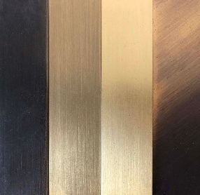 | Material | Metallic sheen or brushed metal appearance
 | Types | Brushed Metal, Bronze, Steel Finish
 | Sizes | 8 ft × 4 ft
 | Thk (mm) | 0.8– 1
 | Cost (sq.ft) | ₹250 – ₹600
 | Installation Method | Adhesive pasting
 | Maintenance | Regular cleaning
 | Pros | Unique, premium appearance
 | Cons | Expensive, niche usage
 | Best Places to Use | Feature walls, commercial interiors
 | Brands | Royale Touche, Merino

Image | 6.Digital Printed Laminate | Details
 | Material | Laminates with digitally printed patterns, graphics, or custom visuals.
 | Types | Floral, Abstract, Custom Prints
 | Sizes | 8 ft × 4 ft
 | Thk (mm) | 1
 | Cost (sq.ft) | ₹150 – ₹400
 | Installation Method | Adhesive pasting
 | Maintenance | Easy cleaning
 | Pros | Customizable, creative freedom
 | Cons | Can go out of trend quickly
 | Best Places to Use | Kids rooms, feature walls
 | Brands | Greenlam, CenturyPly

Image | 7.Cane Finish Laminate | Details
 | Material | Replicates natural cane or rattan weaving patterns, giving a warm, handcrafted aesthetic without using actual cane.
 | Types | Rattan Pattern, Woven Cane, Natural Cane Look
 | Sizes | 8 ft × 4 ft
 | Thk (mm) | 0.8 – 1
 | Cost (sq.ft) | ₹150 – ₹400
 | Installation Method | Adhesive pasting
 | Maintenance | Easy cleaning with cloth
 | Pros | Trendy, warm aesthetic, low maintenance vs real cane
 | Cons | Can look artificial if low quality, limited styles
 | Best Places to Use | Wardrobes, cabinet shutters, feature panels
 | Brands | Greenlam, Merino, Royale Touche

Image | 8.Stone Finish Laminate | Details
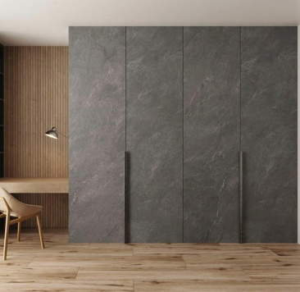 | Material | Mimics natural stone surfaces like granite, slate, or concrete with realistic textures
 | Types | Concrete Finish, Slate Finish, Granite Look
 | Sizes | 8 ft × 4 ft
 | Thk (mm) | 1
 | Cost (sq.ft) | ₹120 – ₹350
 | Installation Method | Adhesive pasting
 | Maintenance | Easy to clean, low maintenance
 | Pros | Stone-like premium look, lightweight alternative
 | Cons | May look repetitive or artificial up close
 | Best Places to Use | TV units, wall panels, kitchen shutters
 | Brands | Royale Touche, Greenlam, Merino

(Top)Designer Veneers
Designer Veneers

Image | Sr. No | Material | Cost (sq.ft) | Thk(mm) | Best Places to Use | Brands:
 | 1 | .Sucupira Veneer | ₹120 – ₹500 | 0.5 – 1 | Wall panels, luxury furniture, doors | Century Veneers, Su Veneers, Sanghvi Suppliers
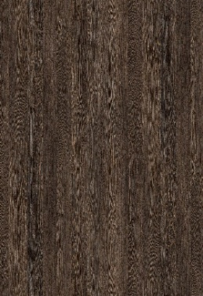 | 2 | Wenge Veneer | ₹400 – ₹1200 | 0.5 – 1 | Luxury furniture, statement panels | Century Veneers, Su Veneers, Sanghvi Suppliers
 | 3 | Ebony Veneer | ₹500 – ₹1200 | 1 | Luxury furniture, wardrobes, wall panels, executive spaces | Century Veneers, Su Veneers, Sanghvi Suppliers
 | 4 | Zebrano Veneer | ₹300 – ₹900 | 0.5 – 1 | Feature walls, furniture, panels | Century Veneers, Su Veneers, Sanghvi Suppliers
 | 5 | Burl Veneer | ₹400 – ₹1200 | 0.5– 1 | Luxury furniture, feature panels | Century Veneers, Su Veneers, Sanghvi Suppliers

(Bottom)Designer Veneers
Designer Veneers

Image | 1.Sucupira Veneer | Details
 | Material | Exotic South American veneer with deep brown tones and subtle lighter streaks
 | Types | Flat Cut, Quarter Cut, Recon Sucupira
 | Sizes | 8 ft × 4 ft
 | Thk (mm) | 0.5 – 1
 | Cost (sq.ft) | ₹250 – ₹800
 | Installation Method | Adhesive pasting + PU polish
 | Maintenance | Moderate to high maintenance
 | Pros | Rich tone, premium feel, durable
 | Cons | Expensive, requires polishing
 | Best Places to Use | Wall panels, luxury furniture, doors
 | Brands | Century Veneers, Su Veneers, Sanghvi Suppliers

Image | 2. Wenge Veneer | Details
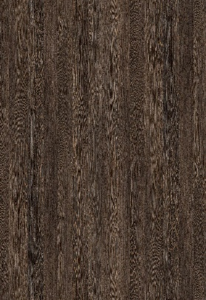 | Material | Premium dark veneer with deep black to dark brown tones
 | Types | Natural Ebony, Recon Ebony
 | Sizes | 8 ft × 4 ft
 | Thk (mm) | 0.5 – 1
 | Cost (sq.ft) | ₹400 – ₹1200
 | Installation Method | Adhesive + high-gloss polish
 | Maintenance | High maintenance
 | Pros | Ultra-premium look, rare material
 | Cons | Very expensive, limited availability
 | Best Places to Use | Luxury furniture, statement panels
 | Brands | Century Veneers, Su Veneers, Sanghvi Suppliers

Image | 3.Ebony Veneer | Details
 | Material | Dark, luxurious veneer with deep black to dark brown tones, with subtle grain patterns
 | Types | Crown Cut, Quarter Cut
 | Sizes | 8 ft × 4 ft
 | Thk (mm) | 0.5 – 1
 | Cost (sq.ft) | ₹500 – ₹1500
 | Installation Method | Adhesive + polish
 | Maintenance | Moderate to high maintenance (needs regular polishing to retain finish)
 | Pros | Rich premium look, adds depth and elegance, timeless appeal
 | Cons | Expensive, can make spaces look smaller if overused, requires skilled polishing
 | Best Places to Use | Luxury furniture, wardrobes, wall panels, executive spaces
 | Brands | Century Veneers, Greenply, Sanghvi Suppliers

Image | 4. Zebrano Veneer | Details
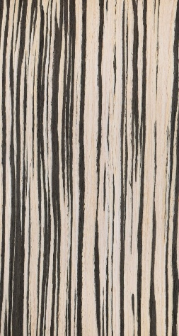 | Material | Striking veneer with bold striped patterns resembling zebra lines
 | Types | Crown Cut, Quarter Cut
 | Sizes | 8 ft × 4 ft
 | Thk (mm) | 0.5 – 1
 | Cost (sq.ft) | ₹300 – ₹900
 | Installation Method | Adhesive + polish
 | Maintenance | Moderate maintenance
 | Pros | Unique pattern, eye-catching design
 | Cons | Can overpower space if overused
 | Best Places to Use | Feature walls, furniture, panels
 | Brands | Century Veneers, Su Veneers, Sanghvi Suppliers

Image | 5.Burl Veneer | Details
 | Material | Highly decorative veneer with intricate swirling grain patterns formed from tree burls
 | Types | Walnut Burl, Elm Burl, Oak Burl
 | Sizes | 8 ft × 4 ft
 | Thk (mm) | 0.5– 1
 | Cost (sq.ft) | ₹400 – ₹1200
 | Installation Method | Adhesive + high-gloss polish
 | Maintenance | High maintenance
 | Pros | Extremely unique, high-end appeal
 | Cons | Expensive, limited stock
 | Best Places to Use | Luxury furniture, feature panels
 | Brands | Century Veneers, Su Veneers, Sanghvi Suppliers

(Bottom)Glass
Types Of Glass

Image | 1.Clear glass | Details
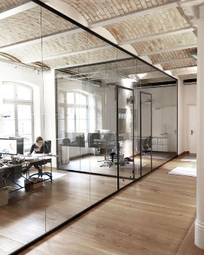 | Material | Transparent glass with high light transmission, unobstructed visibility and natural light.
 | Types | Clear Float Glass, Ultra Clear Glass
 | Sizes | Custom sizes
 | Thk (mm) | 4, 5, 6, 8, 10, 12
 | Cost (sq.ft) | ₹40 – ₹150
 | Installation Method | Installed in aluminium, wood, or metal frames
 | Maintenance | Clean regularly with glass cleaner and soft cloth
 | Pros | High transparency, affordable, widely available
 | Cons | Breaks into sharp shards if not tempered
 | Best Places to Use | Windows, partitions, doors, tabletops
 | Brands | Saint-Gobain

Image | 2.Toughened glass | Details
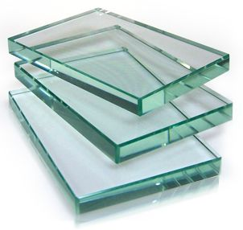 | Material | A heat-treated safety glass that is 4–5 times stronger than normal glass and breaks into small blunt pieces instead of sharp shards.
 | Types | Clear Toughened Glass, Frosted Toughened Glass, Tinted Toughened Glass
 | Sizes | Custom sizes
 | Thk (mm) | 8m 10, 12, 15
 | Cost (sq.ft) | ₹180 – ₹400
 | Installation Method | Installed with glass fittings, clamps, or patch fittings
 | Maintenance | Clean with glass cleaner
 | Pros | High strength, safer breakage
 | Cons | Cannot be cut after tempering
 | Best Places to Use | Shower enclosures, glass doors, railings, partitions
 | Brands | Saint-Gobain, AIS Glass

Image | 3.Laminated glass | Details
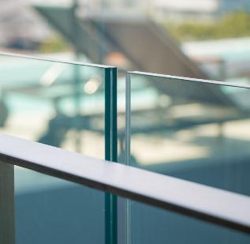 | Material | Made by bonding two or more layers of glass with a plastic interlayer, which holds the glass together when broken.
 | Types | Clear Laminated Glass, Colored Laminated Glass
 | Sizes | Custom sizes
 | Thk (mm) | 6– 12
 | Cost (sq.ft) | ₹250 – ₹500
 | Installation Method | Installed in structural frames
 | Maintenance | Regular glass cleaning
 | Pros | High safety, sound insulation
 | Cons | Expensive compared to regular glass
 | Best Places to Use | Skylights, glass floors, railings, safety glazing
 | Brands | Saint-Gobain, AIS Glass

Image | 4.Frosted glass | Details
 | Material | Glass that been acid-etched or sandblasted to create a translucent surface that allows light while providing privacy.
 | Types | Acid Etched Glass, Sandblasted Glass
 | Sizes | Custom sizes
 | Thk (mm) | 4 – 12
 | Cost (sq.ft) | ₹150 – ₹350
 | Installation Method | Installed in frames or partitions
 | Maintenance | Clean with mild glass cleaner
 | Pros | Provides privacy while allowing light
 | Cons | Fingerprints can be visible
 | Best Places to Use | Bathroom partitions, office partitions, doors
 | Brands | Saint-Gobain, AIS Glass

Image | 5.Tinted glass | Details
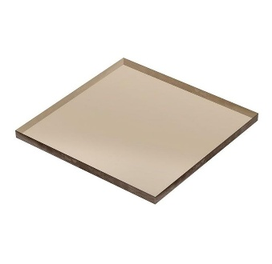 | Material | Colored glass produced by adding metal oxides during manufacturing to reduce glare and solar heat gain.
 | Types | Grey Glass, Bronze Glass, Blue Glass, Green Glass
 | Sizes | Custom sizes
 | Thk (mm) | 5– 12
 | Cost (sq.ft) | ₹120 – ₹300
 | Installation Method | Installed in frames or curtain wall systems
 | Maintenance | Regular cleaning with glass cleaner
 | Pros | Reduces glare and sunlight
 | Cons | Slightly reduces visibility
 | Best Places to Use | Facades, windows, decorative panels
 | Brands | Saint-Gobain, AIS Glass

Image | 6.Lacquered/Back painted glass | Details
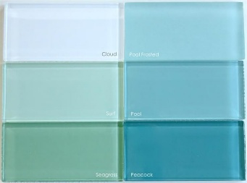 | Material | Clear float glass coated with colored paint on one side to create a decorative and glossy finish.
 | Types | White Lacquered Glass, Colored Lacquered Glass
 | Sizes | Custom sizes
 | Thk (mm) | 5– 8
 | Cost (sq.ft) | ₹200 – ₹450
 | Installation Method | Fixed with adhesive or silicone on boards
 | Maintenance | Clean with soft cloth
 | Pros | Smooth glossy finish, easy to clean
 | Cons | Scratches can be visible
 | Best Places to Use | Kitchen backsplashes, wardrobes, wall panels
 | Brands | Saint-Gobain, AIS Glass

Image | 7.Fluted glass | Details
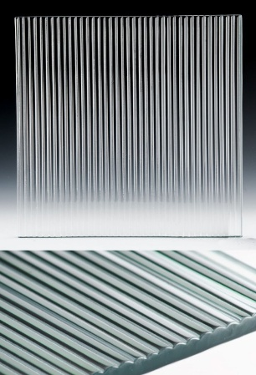  | Material | Decorative textured glass with vertical grooves or ribbed patterns on its surface,allowing partial light to pass through
 | Types | Clear Fluted Glass, Frosted Fluted Glass, Tinted Fluted Glass
 | Sizes | Custom sizes
 | Thk (mm) | 5, 6, 8, 10
 | Cost (sq.ft) | ₹350 – ₹900
 | Installation Method | Installed in aluminium, wooden, or metal frames or fixed using glass fittings
 | Maintenance | Clean carefully using glass cleaner and soft brush for grooves
 | Pros | Modern aesthetic, provides privacy while allowing light, decorative texture
 | Cons | Grooves collect dust, slightly difficult to clean
 | Best Places to Use | Cabinet shutters, partitions, wardrobe shutters, sliding doors, shower enclosures, decorative panels
 | Brands | Saint-Gobain, AIS Glass,

Image | 8.Smoked glass | Details
 | Material | Tinted glass with a dark grey or brown tone that reduces glare and creates a sleek
 | Types | Grey Smoked Glass, Bronze Smoked Glass
 | Sizes | custom sizes
 | Thk (mm) | 5, 6, 8, 10, 12
 | Cost (sq.ft) | ₹200 – ₹500
 | Installation Method | Installed in frames or fixed with clamps and glass fittings
 | Maintenance | Regular cleaning with glass cleaner to avoid smudges
 | Pros | Stylish modern look, reduces glare, hides clutter slightly
 | Cons | Dark tint reduces transparency
 | Best Places to Use | Cabinet shutters, partitions, offices, wardrobe shutters, tabletops
 | Brands | Saint-Gobain, AIS Glass

Image | 9.Sandwiched glass | Details
 | Material | Consists of two or more layers of glass bonded together with a plastic interlayer. Safer than regular glass.
 | Types | Clear Laminated Glass, Frosted Laminated Glass, Colored Laminated Glass, Fabric Laminated Glass Acoustic Laminated Glass
 | Sizes | Custom sizes
 | Thk (mm) | 10, 12 16
 | Cost (sq.ft) | ₹250 – ₹800
 | Installation Method | Installed using aluminium channels, glass clamps, or patch fittings. Silicone sealant is used to seal the edges.
 | Maintenance | Clean using glass cleaner or mild soap solution
 | Pros | Safety glass ,Sound insulation properties, UV protection, Strong and durable
 | Cons | More expensive,Edges must be sealed properly,Slightly heavier
 | Best Places to Use | Facades,Glass partitions,Shower enclosures, RailingsOffice cabins

 | Brands | Saint-Gobain, AIS Glass

Image | 10.Smart glass | Details
 | Material | Also known as switchable glass,.It changes from transparent to opaque when an electric current is applied.
 | Types | Electrochromic Glass, Suspended Particle Device (SPD) Glass
 | Sizes | Custom sizes
 | Thk (mm) | 8mm – 12mm
 | Cost (sq.ft) | ₹2500 – ₹8000
 | Installation Method | Installed as laminated glass panels with electrical wiring connected to a switch or remote control
 | Maintenance | Clean with mild glass cleaner and avoid water contact with electrical connections
 | Pros | Instant privacy control, modern technology, eliminates need for curtains or blinds
 | Cons | Expensive, requires electrical connection
 | Best Places to Use | Office meeting rooms, bathroom partitions, luxury homes, smart windows
 | Brands | AIS Smart Glass, Smartglass International, Gauzy

Door Finishes
Door Finishes

Image | Details
 | 1) DOOR SKINS
 | · Raw Material Cost: ₹1,500–₹5,000 per door skin
 | · Thickness Required: 1–2 mm
 | · Installation Process: Skin is glued onto a flush door using adhesive + roller pressing; edges trimmed and polished.
 | · Maintenance: Wipe with a damp microfiber cloth weekly.
 | · Pros: Gives a premium look at an affordable cost. Huge variety of textures, patterns, and finishes.
 | · Cons: Not as durable as veneer or solid panels and can peel if exposed to moisture.
 | · Best Use: Main doors,Bedroom doors, passage doors, low-use interior doors.

 | 2) FLUTE PANEL DOORS
 | · Raw Material Cost: ₹250–₹600 per sq ft (MDF fluting)
 | · Thickness Required: 12mm–18mm MDF panel over door
 | · Installation Process: Fluted sheets cut to size, glued or nailed on door, edges finished with beading, then painted or polished.
 | · Maintenance: Dust with a soft brush; clean grooves using a vacuum brush attachment.
 | · Pros: Adds a trending, modern, textured look. Works well for large statement doors.
 | · Cons: Takes more time to clean because of grooves. Paint can chip if hit by heavy objects.
 | · Best Use: Main doors (with laminate), bedroom doors, bathroom dry-area doors.

 | 3) VENEER DOORS
 | · Raw Material Cost: ₹100–₹350 per sq ft (veneers); door cost varies
 | · Thickness Required: 0.5–1 mm veneer on 30–35mm door
 | · Installation Process: Veneer sheet is glued + pressed, sanded, and finished with melamine / PU polish.
 | · Maintenance: Wipe with a dry cloth; avoid water spills.
 | · Pros: Rich, natural, luxurious wood look. Customizable with stains and polishes.
 | · Cons: Requires skilled polishing; increases cost. Susceptible to scratches and moisture.
 | · Best Use: Bedrooms, living room doors, home office doors.

 | 4) LAMINATE DOORS
 | · Raw Material Cost: ₹80–₹250 per sq ft
 | · Thickness Required: 0.8mm–1mm laminate on 30–35mm flush door
 | · Installation Process: Laminate sheets glued and pressed, edges finished with matching PVC edge banding.
 | · Maintenance: Clean with a mild soap solution; highly easy to maintain.
 | · Pros: Budget-friendly and very durable. Wide variety of textures and colours.
 | · Cons: Looks less premium compared to veneer. Edge banding may loosen if low-quality glue is used.
 | · Best Use: Bathroom (dry areas), bedrooms, passage doors, rental homes.

 | 5) METAL DOORS (METAL SHEETS / ACCENTS)
 | · Raw Material Cost: ₹500–₹2,000 per sq ft (SS, brass, MS sheets)
 | · Thickness Required: 1–2 mm metal sheet over door panel
 | · Installation Process: Metal sheets CNC cut, stuck with high-strength adhesive, screwed at corners; polish or powder coating done after.
 | · Maintenance: Use a soft cloth + metal-safe cleaner; avoid harsh chemical polishes.
 | · Pros: Extremely strong, premium, and impactful. Perfect for modern luxury interiors.
 | · Cons: Expensive + heavy. Fingerprints and scratches show easily on some finishes. Best
 | · Use: Main entrance doors, statement doors, office doors

 | 6) PU PAINTED DOORS
 | · Raw Material Cost: ₹150–₹350 per sq ft (painting cost)
 | · Thickness Required: 30–35mm door + 2–3 coats of PU
 | · Installation Process: Surface is sanded, primed, sprayed with PU coats, and polished to matte/gloss finish.
 | · Maintenance: Wipe with a soft microfiber cloth; avoid abrasives.
 | · Pros: Seamless, smooth, premium finish. You can choose any shade—customizable.
 | · Cons: Can chip if hit strongly. Slightly expensive due to labour & polish.
 | · Best Use: Bedrooms, kids’ rooms, minimalist design homes.

 | 7) GLASS DOORS (CLEAR / FLUTED / TINTED / SMOKED)
 | · Raw Material Cost: ₹250–₹800 per sq ft (glass varies)
 | · Thickness Required: 8mm–12mm toughened glass
 | · Installation Process: Glass is toughened, polished, fitted in wooden/metal frame or installed frameless with floor spring + hardware.
 | · Maintenance: Clean with glass cleaner; avoid watermarks.
 | · Pros: Opens up space and increases natural light. Modern, sleek, and elegant.
 | · Cons: Needs regular cleaning. Privacy is limited unless frosted/tinted.
 | · Best Use: Walk-in closets, bathrooms, partitions, study rooms.

Bed Finishes
Bed Finishes

Image | Details
 | 1) LAMINATE FINISH
 | • Raw Material Cost: ₹80–₹300 per sq ft
 | • Thickness Required: 18 mm ply structure + 0.8–1 mm laminate
 | • Installation Process: Plywood bed structure made (box/storage), laminate sheets glued & edge-banded.
 | • Maintenance: Easy—wipe with damp cloth.
 | • Pros: Budget-friendly, durable, wide design options.
 | • Cons: Less premium than veneer/solid wood.
 | • Best Use: Budgeted homes, rental properties, functional storage beds.

 | 2) VENEER FINISH
 | • Raw Material Cost: ₹120–₹400 per sq ft
 | • Thickness Required: 18 mm ply + 0.5–1 mm veneer
 | • Installation Process: Veneer applied on ply structure, polished with melamine/PU.
 | • Maintenance: Dry cloth; avoid moisture.
 | • Pros: Natural wood look, premium finish.
 | • Cons: Expensive; requires skilled polish.
 | • Best Use: Master bedrooms, premium homes.

 | 3) PU PAINT FINISH
 | • Raw Material Cost: ₹180–₹450 per sq ft
 | • Thickness Required: MDF/ply base + multiple PU coats
 | • Installation Process: Surface prepared, spray painted, and polished.
 | • Maintenance: Soft cloth cleaning.
 | • Pros: Seamless finish, any colour possible.
 | • Cons: Chips on impact; higher labour cost.
 | • Best Use: Modern minimal beds

 | 4) SOLID WOOD FINISH (TEAK / SHEESHAM WOOD)
 | • Raw Material Cost: ₹1500–₹5000+ per sq ft (wood dependent)
 | • Thickness Required: 25–75 mm sections (structural members)
 | • Installation Process: Fully carpentered or factory-made bed with joinery; polished or coated.
 | • Maintenance: Regular polishing; avoid moisture.
 | • Pros: Extremely durable, timeless, premium feel.
 | • Cons: Expensive; heavy; may expand/shrink.
 | • Best Use: Luxury homes, long-term investment beds.

 | 5) UPHOLSTERED FINISH (FABRIC / LEATHER)
 | • Raw Material Cost: ₹150–₹600 per sq ft
 | • Thickness Required: 1–3 mm metal sections
 | • Installation Process: Welded metal frame; powder-coated or painted.
 | • Maintenance: Low; occasional cleaning.
 | • Pros: Strong, lightweight, modern/industrial look.
 | • Cons: Limited storage options; can feel less premium.
 | • Best Use: Minimal homes, guest rooms, studio apartments.

 | 6) METAL FINISH (MS / SS FRAME)
 | • Raw Material Cost: ₹250–₹800 per sq ft
 | • Thickness Required: 10–25 mm (varies by stone type)
 | • Installation Process: Stone pieces/slabs fixed using adhesive + cement backing; joints may be visible or dry-stacked.
 | • Maintenance: Occasional dusting; sealing recommended to prevent stains.
 | • Pros: Natural textured look, adds depth & warmth; good for feature walls.
 | • Cons: Uneven surface collects dust; requires sealing; not a sleek finish.
 | • Best Use: Rustic interiors, accent TV walls, textured backdrops.

 | 7) PRE-LAM PARTICLE BOARD FINISH
 | • Raw Material Cost: ₹70–₹200 per sq ft
 | • Thickness Required: 15–18 mm boards
 | • Installation Process: Modular panels assembled using connectors.
 | • Maintenance: Dry cloth cleaning; avoid water.
 | • Pros: Affordable, factory-finished, quick installation.
 | • Cons: Less durable than ply; moisture sensitive.
 | • Best Use: Budget homes, rental furniture.

 | 8) ACRYLIC FINISH
 | • Raw Material Cost: ₹250–₹600 per sq ft
 | • Thickness Required: ~1 mm acrylic sheet on MDF/ply
 | • Installation Process: Acrylic sheets pressed onto panels.
 | • Maintenance: Microfiber cloth; avoid scratches.
 | • Pros: High-gloss, modern, reflective finish.
 | • Cons: Scratches & fingerprints visible.
 | • Best Use: Contemporary bedrooms.

 | 9) RATTAN CANE FINISH
 | • Raw Material Cost: ₹150–₹500 per sq ft
 | • Thickness Required: Cane weave + wood frame
 | • Installation Process: Cane woven into wooden frame panels.
 | • Maintenance: Dry cleaning; avoid moisture.
 | • Pros: Lightweight, breathable, natural aesthetic.
 | • Cons: Not very durable under heavy impact; can sag over time.
 | • Best Use: Boho, tropical, airy bedrooms.

 | 10) BAMBOO FINISH
 | • Raw Material Cost: ₹200–₹600 per sq ft
 | • Thickness Required: 15–30 mm panels/sections
 | • Installation Process: Bamboo treated, cut, and assembled like wood furniture.
 | • Maintenance: Occasional polishing; avoid excess moisture.
 | • Pros: Sustainable, lightweight, unique aesthetic.
 | • Cons: Limited availability; not as strong as hardwood.
 | • Best Use: Eco-conscious homes, minimalist interiors.

Headboard Finishes
Headboard Finishes

Image | Details
 | 1) FABRIC UPHOLSTERED
 | • Raw Material Cost: ₹250–₹800 per sq ft
 | • Thickness Required: 25–75 mm (ply + foam + fabric)
 | • Installation Process: Ply base fixed to wall, foam layered, fabric stretched and upholstered.
 | • Maintenance: Vacuum cleaning; stain removal required.
 | • Pros: Soft, cozy, wide fabric options, breathable.
 | • Cons: Absorbs dust/stains; higher maintenance.
 | • Best Use: Comfortable, cozy bedrooms, family homes.

 | 2) LEATHERITE
 | • Raw Material Cost: ₹400–₹1200 per sq ft
 | • Thickness Required: 25–75 mm (ply + foam + leatherette)
 | • Installation Process: Foam added over base and leatherette tightly upholstered.
 | • Maintenance: Easy—wipe with damp cloth.
 | • Pros: Premium look, easy maintenance, stain-resistant.
 | • Cons: Less breathable; may crack over time.
 | • Best Use: Luxury bedrooms, hotel-style interiors.

 | 3) RATTAN CANE
 | • Raw Material Cost: ₹150–₹500 per sq ft
 | • Thickness Required: Cane weave + wooden frame
 | • Installation Process: Cane woven into wooden/MDF frame panels and fixed to wall/bed.
 | • Maintenance: Dry cleaning; avoid moisture.
 | • Pros: Natural, breathable, lightweight, trendy.
 | • Cons: Can sag over time; not very impact-resistant.
 | • Best Use: Boho, tropical, airy bedrooms.

 | 4) CHARCOAL PANEL
 | • Raw Material Cost: ₹150–₹400 per sq ft
 | • Thickness Required: 8–25 mm panels
 | • Installation Process: Panels fixed on framework or directly on wall using adhesive/screws.
 | • Maintenance: Easy—dusting or wiping.
 | • Pros: Waterproof, termite-resistant, modern fluted look.
 | • Cons: Limited colour options; slightly artificial finish.
 | • Best Use: Modern, low-maintenance bedrooms.

 | 5) ACRYLIC
 | • Raw Material Cost: ₹300–₹800 per sq ft
 | • Thickness Required: 1–1.5 mm acrylic on MDF
 | • Installation Process: Acrylic sheets machine-pressed on boards and fixed.
 | • Maintenance: Microfiber cleaning; avoid scratches.
 | • Pros: Ultra-glossy, modern, reflective.
 | • Cons: Scratch-prone; fingerprints visible.
 | • Best Use: Contemporary, high-gloss interiors.

 | 6) CNC CUT / JAALI DESIGN
 | • Raw Material Cost: ₹300–₹900 per sq ft
 | • Thickness Required: 8–18 mm MDF
 | • Installation Process: CNC-cut panels fixed and painted/polished.
 | • Maintenance: Easy cleaning.
 | • Pros: Custom patterns, designer look.
 | • Cons: Costly; design-specific.
 | • Best Use: Statement bedrooms.

 | 7) PU PAINT FINISH
 | • Raw Material Cost: ₹180–₹450 per sq ft
 | • Thickness Required: MDF/ply base + PU coating
 | • Installation Process: Spray painted and polished.
 | • Maintenance: Soft cloth cleaning.
 | • Pros: Seamless finish, customizable colours.
 | • Cons: Prone to scratches/chips.
 | • Best Use: Modern, minimal interiors.

 | 8) VENEER FINISH
 | • Raw Material Cost: ₹120–₹400 per sq ft
 | • Thickness Required: 16–18 mm ply + veneer
 | • Installation Process: Veneer pasted and polished (melamine/PU).
 | • Maintenance: Dry cloth; avoid moisture.
 | • Pros: Natural wood feel, premium finish.
 | • Cons: Expensive; requires polishing.
 | • Best Use: Premium bedrooms.

Side Table Finishes
Side Table Finishes

Image | Details
 | 1) LAMINATE FINISH
 | • Raw Material Cost: ₹80–₹300 per sq ft
 | • Thickness Required: 16–18 mm ply/MDF + 0.8–1 mm laminate
 | • Installation Process: Laminate sheets glued and edge-banded on structure.
 | • Maintenance: Easy—wipe with damp cloth.
 | • Pros: Budget-friendly, durable, wide variety.
 | • Cons: Less premium look.
 | • Best Use: Budget homes, rental furniture.

 | 2) VENEER FINISH
 | • Raw Material Cost: ₹120–₹400 per sq ft
 | • Thickness Required: 0.5–1 mm veneer on ply

 | • Maintenance: Dry cloth; avoid water.
 | • Pros: Natural wood look, premium finish.
 | • Cons: Expensive; needs polishing.
 | • Best Use: Master bedrooms, premium interiors.

 | 3) PU PAINT FINISH
 | • Raw Material Cost: ₹180–₹450 per sq ft
 | • Thickness Required: MDF/ply base + PU coating
 | • Installation Process: Spray painted and polished (matte/gloss).
 | • Maintenance: Soft cloth cleaning.
 | • Pros: Seamless, customizable colours.
 | • Cons: Chips on impact.
 | • Best Use: Modern, minimal interiors.

 | 4) SOLID WOOD TABLE (TEAK / SHEESHAM WOOD)
 | • Raw Material Cost: ₹1500–₹5000+ per sq ft
 | • Thickness Required: 18–40 mm sections
 | • Installation Process: Fully carpentered or factory-made, polished.
 | • Maintenance: Periodic polishing.
 | • Pros: Durable, timeless, premium.
 | • Cons: Expensive, heavy.
 | • Best Use: Luxury bedrooms, long-term furniture.

 | 5) FABRIC FINISH
 | • Raw Material Cost: ₹300–₹1200 per sq ft
 | • Thickness Required: Ply base + foam + fabric/leather
 | • Installation Process: Upholstery fixed over structure.
 | • Maintenance: Vacuum; stain care.
 | • Pros: Soft, luxurious look.
 | • Cons: High maintenance.
 | • Best Use: Luxury bedrooms.

 | 6) METAL FINISH (MS / SS FRAME)
 | • Raw Material Cost: ₹150–₹600 per sq ft
 | • Thickness Required: 1–3 mm metal sections
 | • Installation Process: Welded frame; powder-coated/painted.
 | • Maintenance: Low maintenance.
 | • Pros: Lightweight, modern, durable.
 | • Cons: Limited storage.
 | • Best Use: Minimal, industrial homes.

 | 7) PRE-LAM PARTICLE FINISH
 | • Raw Material Cost: ₹60–₹150 per sq ft
 | • Thickness Required: 15–18 mm pre-laminated particle board/MDF
 | • Installation Process: Boards are factory-finished; cut and edge-banded, then assembled using connectors.
 | • Maintenance: Very easy—wipe with damp cloth.
 | • Pros: Cost-effective, quick installation, uniform finish, no polishing required.
 | • Cons: Limited design options; visible joints/edges; lower durability than plywood.
 | • Best Use: Budget homes, rental furniture, quick projects.

 | 8) ACRYLIC FINISH
 | • Raw Material Cost: ₹300–₹800 per sq ft
 | • Thickness Required: 1–1.5 mm acrylic sheet on MDF/HDHMR
 | • Installation Process: Acrylic sheets machine-pressed onto boards; edges finished with edge band.
 | • Maintenance: Clean with microfiber cloth; avoid scratches.
 | • Pros: Ultra-glossy, premium look, highly reflective, modern appeal.
 | • Cons: Scratch-prone; fingerprints visible; higher cost than laminate.
 | • Best Use: Modern luxury bedrooms, high-gloss interiors.

 | 9) MIRROR FINISH
 | • Raw Material Cost: ₹300–₹900 per sq ft
 | • Thickness Required: 5–6 mm mirror panels
 | • Installation Process: Mirror panels fixed on structure.
 | • Maintenance: Frequent cleaning required.
 | • Pros: Makes space look bigger; adds glamour.
 | • Cons: High maintenance; fragile.
 | • Best Use: Small bedrooms, glam interiors.

 | 10) FLUTED PANEL FINISH
 | • Raw Material Cost: ₹250–₹700 per sq ft
 | • Thickness Required: 12–18 mm MDF/HDHMR with grooves
 | • Installation Process: CNC-cut grooves or ready fluted panels fixed on structure.
 | • Maintenance: Dust collects in grooves—regular cleaning needed.
 | • Pros: Trendy, adds texture and depth.
 | • Cons: Slightly high maintenance.
 | • Best Use: Modern luxury bedrooms.
Image | Details
 | 11) LEATHERITE FINISH
 | • Raw Material Cost: ₹400–₹1500 per sq ft
 | • Thickness Required: Ply base + foam + leather
 | • Installation Process: Leather wrapped and stitched over panels.
 | • Maintenance: Requires careful cleaning; avoid stains.
 | • Pros: Premium, hotel-like luxury feel.
 | • Cons: Expensive; high maintenance.
 | • Best Use: Luxury bedrooms.

 | 12) TERRAZZO FINISH
 | • Raw Material Cost: ₹300–₹1000 per sq ft
 | • Thickness Required: 15–20 mm slab / coating
 | • Installation Process: Precast slab fixed or terrazzo cast in mold.
 | • Maintenance: Easy cleaning; polishing occasionally.
 | • Pros: Unique patterns, very trendy.
 | • Cons: Heavy; slightly expensive.
 | • Best Use: Designer, contemporary homes.

 | 13) CORIAN FINISH
 | • Raw Material Cost: ₹800–₹2500 per sq ft
 | • Thickness Required: 6–12 mm sheets
 | • Installation Process: Thermoformed and seamlessly joined.
 | • Maintenance: Easy; scratches can be buffed.
 | • Pros: Seamless, premium, hygienic.
 | • Cons: Very expensive.
 | • Best Use: Ultra-luxury interiors.

 | 14) METAL INLAY / BRASS
 | • Raw Material Cost: ₹500–₹2000 per sq ft
 | • Thickness Required: Thin metal strips (1–3 mm)
 | • Installation Process: Metal inlays embedded into wood panels.
 | • Maintenance: Occasional polishing.
 | • Pros: Adds luxury detailing, designer appeal.
 | • Cons: Expensive; skilled work needed.
 | • Best Use: Premium and bespoke furniture.

 | 15) MARBLE FINISH
 | • Raw Material Cost: ₹400–₹2000+ per sq ft
 | • Thickness Required: 15–20 mm marble slab (top); 18 mm ply/MDF base for structure (if not full marble)
 | • Installation Process: Marble slab cut and polished, fixed over plywood/metal base OR fully carved marble structure (in luxury cases); edges finishe, sealed.
 | • Maintenance: Regular cleaning with mild solution; periodic polishing; sealing recommended to avoid stains.
 | • Pros: Extremely premium, timeless look; heat-resistant; adds high perceived value.
 | • Cons: Heavy; expensive; prone to staining (especially lighter marbles); requires skilled handling.
 | • Best Use: Luxury bedrooms, hotel-style interiors, statement side tables.

Study Table Finishes
Study Table Finishes

Image | Details
 | 1) LAMINATE FINISH
 | • Raw Material Cost: ₹80–₹300 per sq ft
 | • Thickness Required: 16–18 mm ply/MDF + 0.8–1 mm laminate
 | • Installation Process: Laminate sheets glued and edge-banded on structure.
 | • Maintenance: Easy—wipe with damp cloth.
 | • Pros: Budget-friendly, durable, scratch-resistant, wide variety.
 | • Cons: Less premium look.
 | • Best Use: Kids’ study tables, rental homes, budget setups.

 | 2) PRE-LAMINATED BOARD
 | • Raw Material Cost: ₹60–₹150 per sq ft
 | • Thickness Required: 15–18 mm pre-laminated board
 | • Installation Process: Factory-finished boards cut and assembled with connectors.
 | • Maintenance: Very easy cleaning.
 | • Pros: Cost-effective, quick installation, uniform finish.
 | • Cons: Visible joints; lower durability vs plywood.
 | • Best Use: Budget and modular furniture.

 | 3) VENEER FINISH
 | • Raw Material Cost: ₹120–₹400 per sq ft
 | • Thickness Required: 0.5–1 mm veneer on ply
 | • Installation Process: Veneer applied and polished (melamine/PU).
 | • Maintenance: Dry cloth; avoid moisture.
 | • Pros: Natural wood feel, premium look.
 | • Cons: Expensive; requires care.
 | • Best Use: Home offices, premium study rooms.

 | 4) PU PAINT
 | • Raw Material Cost: ₹180–₹450 per sq ft
 | • Thickness Required: MDF/ply base + PU coating
 | • Installation Process: Spray painted and polished.
 | • Maintenance: Soft cloth cleaning.
 | • Pros: Seamless, customizable colours, modern look.
 | • Cons: Prone to scratches.
 | • Best Use: Minimal and modern interiors.

 | 5) SOLID WOOD
 | • Raw Material Cost: ₹1500–₹5000+ per sq ft
 | • Thickness Required: 18–40 mm sections
 | • Installation Process: Carpentry or factory-made; polished.
 | • Maintenance: Periodic polishing required.
 | • Pros: Durable, timeless, premium.
 | • Cons: Expensive; heavy.
 | • Best Use: Luxury home offices.

 | 6) METAL FINISH
 | • Raw Material Cost: ₹150–₹600 per sq ft
 | • Thickness Required: 1–3 mm metal + board top
 | • Installation Process: Metal frame fabricated + top fixed.
 | • Maintenance: Low maintenance.
 | • Pros: Strong, lightweight, modern.
 | • Cons: Limited storage.
 | • Best Use: Minimal, industrial setups.

 | 7) ACRYLIC
 | • Raw Material Cost: ₹300–₹800 per sq ft
 | • Thickness Required: 1–1.5 mm acrylic on MDF
 | • Installation Process: Machine-pressed sheets applied.
 | • Maintenance: Microfiber cleaning.
 | • Pros: High gloss, premium modern look.
 | • Cons: Scratches and fingerprints visible.
 | • Best Use: Contemporary interiors.

 | 8) LEATHERETTE FINISH
 | • Raw Material Cost: ₹400–₹1200 per sq ft
 | • Thickness Required: 3–10 mm (ply base + foam optional + leatherette layer)
 | • Installation Process: Leatherette wrapped or pasted over desk surface or inset into wooden frame.
 | • Maintenance: Easy—wipe with damp cloth; avoid sharp objects.
 | • Pros: Premium look, smooth writing surface, stain-resistant, easy maintenance.
 | • Cons: Can crack/peel over time; not heat-resistant.
 | • Best Use: Home offices, executive desks, luxury study tables.

Dresser Table Finishes
Dresser Table Finishes

Image | Details
 | 1) LAMINATE FINISH
 | • Raw Material Cost: ₹80–₹300 per sq ft
 | • Thickness Required: 16–18 mm ply/MDF + laminate
 | • Installation Process: Laminate sheets applied and edge-banded on structure.
 | • Maintenance: Easy—wipe with damp cloth.
 | • Pros: Budget-friendly, durable, wide variety.
 | • Cons: Less premium look.
 | • Best Use: Budget homes, rental spaces.

 | 2) PRE-LAMINATED BOARD
 | • Raw Material Cost: ₹60–₹150 per sq ft
 | • Thickness Required: 15–18 mm pre-laminated board
 | • Installation Process: Factory-finished boards cut and assembled.
 | • Maintenance: Very easy cleaning.
 | • Pros: Cost-effective, quick installation.
 | • Cons: Visible joints; less durable.
 | • Best Use: Budget and quick projects.

 | 3) VENEER FINISH
 | • Raw Material Cost: ₹120–₹400 per sq ft
 | • Thickness Required: 0.5–1 mm veneer on ply
 | • Installation Process: Veneer applied and polished.
 | • Maintenance: Dry cloth; avoid moisture.
 | • Pros: Natural wood look, premium feel.
 | • Cons: Requires care; expensive.

 | 4) PU PAINT FINISH
 | • Raw Material Cost: ₹180–₹450 per sq ft
 | • Thickness Required: MDF/ply base + PU coating
 | • Installation Process: Spray painted and polished (matte/gloss).
 | • Maintenance: Soft cloth cleaning.
 | • Pros: Seamless, modern, customizable colours.
 | • Cons: Scratches/chips possible.
 | • Best Use: Modern, minimal interiors.

 | 5) MIRROR FINISH
 | • Raw Material Cost: ₹300–₹900 per sq ft
 | • Thickness Required: 5–12 mm glass/mirror
 | • Installation Process: Glass/mirror panels fixed on structure.
 | • Maintenance: Frequent cleaning required.
 | • Pros: Makes space look bigger; adds glamour.
 | • Cons: Fragile; high maintenance.
 | • Best Use: Small bedrooms, glam interiors.

 | 6) MARBLE FINISH
 | • Raw Material Cost: ₹250–₹800 per sq ft
 | • Thickness Required: 10–25 mm (varies by stone type)
 | • Installation Process: Stone pieces/slabs fixed using adhesive + cement backing; joints may be visible or dry-stacked.
 | • Maintenance: Occasional dusting; sealing recommended to prevent stains.
 | • Pros: Natural textured look, adds depth & warmth; good for feature walls.
 | • Cons: Uneven surface collects dust; requires sealing; not a sleek finish.
 | • Best Use: Rustic interiors, accent TV walls, textured backdrops.

 | 7) LEATHERETTE FINISH
 | • Raw Material Cost: ₹300–₹1200 per sq ft
 | • Thickness Required: Ply + foam + leatherette
 | • Installation Process: Upholstery fixed over panels or drawer fronts.
 | • Maintenance: soft clean
 | • Pros: Soft, luxurious, unique look.
 | • Cons: Maintenance required.
 | • Best Use: Luxury bedrooms.

 | 8) FLUTED PANEL FINISH
 | • Raw Material Cost: ₹250–₹700 per sq ft
 | • Thickness Required: 12–18 mm MDF/HDHMR
 | • Installation Process: Fluted panels applied on drawer fronts.
 | • Maintenance: Dusting required.
 | • Pros: Trendy, adds texture.
 | • Cons: Slight maintenance.
 | • Best Use: Designer modern bedrooms.

 | 9) RATTAN CANE FINISH
 | • Raw Material Cost: ₹150–₹500 per sq ft
 | • Thickness Required: Cane + wooden frame
 | • Installation Process: Cane woven into panels/drawers.
 | • Maintenance: Dry cleaning; avoid moisture.
 | • Pros: Natural, breathable, trendy.
 | • Cons: Less durable; can sag.
 | • Best Use: Boho, casual interiors.

 | 10) PU PAINT FINISH
 | • Raw Material Cost: ₹180–₹600 per sq ft
 | • Thickness Required: MDF/HDHMR/ply base + multi-layer PU coating (primer + paint + clear coat)
 | • Installation Process: Surface prepared → primer applied → multiple PU spray coats → sanding between coats → final polish (matte/satin/gloss)
 | • Maintenance: Clean with soft microfiber cloth; avoid harsh chemicals and sharp impact.
 | • Pros: Seamless finish, highly customizable colours, premium smooth surface, available in matte to high-gloss.
 | • Cons: Prone to scratches/chipping on edges; requires skilled application; higher cost than laminate.
 | • Best Use: Modern bedrooms, dresser units, wardrobes, study tables, luxury furniture.

Wardrobe Shutter Finishes
Top 11 Wardrobe Shutter Finishes

Image | Details
 | 1) FLUTED GLASS
 | ● Raw Material Cost: ₹350–₹650 per sq ft
 | ● Installation: Fix the fluted glass onto an 18mm MDF/ply shutter using silicone or secure it inside an aluminum/SS frame.
 | ● Maintenance: Clean with glass cleaner and a microfiber cloth.
 | ● Pros: It adds a luxurious, modern look and diffuses visual clutter beautifully. It also enhances the wardrobe with soft-reflected light.
 | ● Cons: It is fragile and requires careful usage, and fingerprints appear easily on the surface.
 | ● Best For: Walk-in wardrobes, master bedrooms

 | 2) PU PAINT
 | ● Raw Material Cost: ₹350–₹800 per sq ft
 | ● Installation: Sand the MDF shutter → apply primer → apply multiple PU coats → allow curing → final polish.
 | ● Maintenance: Wipe with a damp microfiber cloth; avoid harsh chemicals.
 | ● Pros: It gives a seamless, ultra-premium finish and offers limitless color customization. It makes wardrobes look luxurious
 | ● Cons: It can chip or scratch if hit, and the process is expensive and time-consuming.
 | ● Best For: Master bedrooms, luxury wardrobes

 | 3) RATTAN CANE
 | ● Raw Material Cost: ₹200–₹300 (sheet), ₹350–₹600 (framed)
 | ● Installation: Stretch the cane sheet and fix it into a wooden/MDF frame, ensuring tight tension to avoid sagging.
 | ● Maintenance: Dust regularly and keep away from moisture.
 | ● Pros: It creates a warm, natural ventilation-friendly wardrobe, and adds earthy, boho-style aesthetics.
 | ● Cons: It can sag over time if not stretched properly, and it absorbs moisture in humid areas.
 | ● Best For: Boho bedrooms, guest rooms

 | 4) LEATHER / LEATHERETTE
 | ● Raw Material Cost: ₹200–₹450 (leatherette), ₹800–₹2,000+ (leather)
 | ● Installation: Apply adhesive on the shutter, stretch the leather/leatherette over it, and finish with stitching or panel grooves.
 | ● Maintenance: Wipe gently with a damp cloth; avoid sharp objects.
 | ● Pros: It adds a soft-touch luxurious feel and improves room acoustics by absorbing sound.
 | ● Cons: Leatherette can peel over time, and real leather is costly and high-maintenance.
 | ● Best For: Master bedrooms, walk-in wardrobes

 | 5) ACRYLIC MATTE
 | ● Raw Material Cost: ₹250–₹500 per sq ft
 | ● Installation: Paste the acrylic sheet onto MDF using adhesive and finish with matching edge banding.
 | ● Maintenance: Clean with a soft damp cloth to prevent scratches.
 | ● Pros: It provides a smooth, ultra-matte modern finish and is relatively scratch-resistant.
 | ● Cons: Corners can chip if mishandled, and the sheet cannot bend or mold easily.
 | ● Best For: Modern bedrooms, walk-in wardrobes

 | 6) WALLPAPER
 | ● Raw Material Cost: ₹50–₹200 per sq ft
 | ● Installation: Apply adhesive on a smooth sealed shutter surface and paste the wallpaper carefully to avoid bubbles.
 | ● Maintenance: Use a soft damp cloth only on washable wallpaper.
 | ● Pros: It offers endless design choices and is affordable for quick wardrobe makeovers.
 | ● Cons: It can peel and fade over time, especially in humid rooms.
 | ● Best For: Kids’ rooms, guest rooms, rental wardrobes

 | 7) METALLIC LAMINATE
 | ● Raw Material Cost: ₹250–₹600 per sq ft
 | ● Installation: Paste the laminate onto MDF/ply using Fevicol SR or adhesive; add matching edge banding.
 | ● Maintenance: Wipe regularly with a dry or slightly damp cloth.
 | ● Pros: It gives a strong, durable metallic look and resists stains and daily wear.
 | ● Cons: It shows fingerprints quickly, and can appear industrial if not balanced with other materials.
 | ● Best For: Modern minimalist bedrooms, studio-style wardrobes

 | 8) BACK-PAINTED GLASS
 | ● Raw Material Cost: ₹450–₹900 per sq ft
 | ● Installation: Mount the back-painted glass onto the shutter using high-grade silicone or fit it inside an aluminum frame.
 | ● Maintenance: Clean with glass cleaner to maintain shine.
 | ● Pros: It provides a glossy, reflective premium finish and instantly elevates the wardrobe.
 | ● Cons: It is heavy and fragile, and fingerprints show easily.
 | ● Best For: Master bedrooms, walk-in wardrobes

 | 9) VENEER
 | ● Raw Material Cost: ₹150–₹400 per sq ft + polishing
 | ● Installation: Paste veneer sheet onto MDF/ply and finish with PU polish for protection and shine.
 | ● Maintenance: Wipe dry and polish periodically to retain natural sheen.
 | ● Pros: It gives a warm, natural wood feel and looks rich and organic.
 | ● Cons: It scratches easily, and requires regular polishing to stay fresh.
 | ● Best For: Premium bedrooms, studies, elegant wardrobes
Image | Details
 | 10) FLUTED PANEL (MDF/WPC/WOOD)
 | ● Raw Material Cost: ₹150–₹350 (MDF), ₹250–₹450 (WPC), ₹500–₹1,200 (Wood)
 | ● Installation: Paste or screw the fluted panels onto the shutter and finish edges neatly.
 | ● Maintenance: Clean grooves with a soft brush + dry cloth.
 | ● Pros: It adds strong texture and creates a statement modern design.
 | ● Cons: Dust accumulates in the grooves, and the panels add weight to the shutters.
 | ● Best For: Statement wardrobes, master bedrooms

 | 11) FABRIC PANELS
 | ● Raw Material Cost: ₹80–₹350 per sq ft
 | ● Installation: Add foam onto the shutter, stretch fabric over it, and fix tightly using a staple/track system.
 | ● Maintenance: Vacuum regularly to prevent dust and lint buildup.
 | ● Pros: It gives a soft, luxurious, boutique-style aesthetic and enhances acoustic comfort.
 | ● Cons: It can stain easily, and absorbs dust faster than hard finishes.
 | ● Best For: Luxury bedrooms, boutique-style wardrobes.

5 Wardrobe Must Haves
5 Must Have Wardrobe Internals

Image | Details
 | 1. SHOE REVOLVING RACK
 | Materials: Powder-coated steel / SS rods + laminated wood shelves
 | Approx cost: ₹4,000 – ₹15,000 depending on size & finish
 | Thickness Required : Steel/rod diameter 12 – 16 mm. shelf board thickness 18 mm
 | Installation : Fix top & bottom plates inside wardrobe. insert revolving pole and attach shelves;
 | ensure smooth rotation.
 | Maintenance : Wipe rods & shelves monthly and avoid water to prevent rust/stains.
 | Pros
 | • Maximizes vertical shoe space neatly.
 | • Easy access & reduced clutter.
 | Cons
 | • Can be heavy if overloaded with shoes.
 | • Takes up dedicated width in a compact wardrobe.
 | Best Places to Use : Walk-in wardrobe, shoe zone near bedroom entrance

 | 2. HIDDEN WATCH PULL-DOWN
 | Materials: Laminated wood or veneer + smooth pull mechanism
 | Approx cost: ₹3,000 – ₹9,000 per module
 | Thickness Required: Panel thickness 18 – 25 mm
 | Installation : Fix guided slide/pull-down mechanism inside wardrobe. attach watch tray.ensure
 | secure mounting.
 | Maintenance: Dust tray and mechanism gently. avoid spilling liquids on watches.
 | Pros
 | • Keeps watches organized & protected.
 | • Adds a premium, hidden feature.
 | Cons
 | • Limited capacity per module.
 | • Mechanism needs precise fitting or may misalign.
 | Best Places to Use : Walk-in wardrobe or bedroom wardrobe

 | 3. FINGER PRINT LOCK
 | Materials: Metal lock body, electronic sensor unit
 | Approx cost: ₹1,500 – ₹6,000 depending on brand & features
 | Thickness Required : Lock panel cutout 18 – 25 mm door thickness
 | Installation : Drill cutout in door. insert lock body; connect batteries & test multiple fingerprints.
 | Maintenance : Wipe sensor area weekly. replace batteries as needed.
 | Pros
 | • Quick access with high security.
 | • No keys to lose or misplace.
 | Cons
 | • Needs battery changes.
 | • May misread if sensor gets dirty.
 | Best Places to Use : Master bedroom wardrobe for valuables
 | 4. DRAWER ORGANSERS
 | Materials: Plastic, acrylic, MDF dividers
 | Approx cost: ₹500 – ₹4,000 per set
 | Thickness Required: Divider thickness 5 – 10 mm. fits existing drawer 18 mm sides.
 | Installation : Place or slot inside drawers. customize sections as needed.
 | Maintenance : Wipe weekly and remove dust.
 | Pros
 | • Keeps small items sorted & visible.
 | • Budget-friendly wardrobe upgrade.
 | Cons
 | • Less effective if drawer sizes vary widely.
 | • Plastic options may crack over time.
 | Best Places to Use : All wardrobe drawers. clothes, accessories, socks, belts etc.

Image | Details
 | 5. SEAMLESS HANDLES
 | Materials: Aluminium/SS recessed pulls or groove channels
 | Approx cost: ₹200 – ₹1,200 per linear foot/handle type
 | Thickness Required : Groove depth 8 – 12 mm in panel. panel thickness 18 mm.
 | Installation : Cut groove/recess in door. fix recessed profile. ensure smooth finger grip finish.
 | Maintenance : Dust grooves weekly. wipe with dry cloth.
 | Pros
 | • Sleek, modern look with no protruding hardware.
 | • Easy to clean & ergonomic.
 | Cons
 | • More installation precision needed.
 | • Recessed grooves collect dust if not maintained.
 | Best Places to Use : All wardrobe doors for a minimalist finish

Tv Unit Finishes
TV Unit Finishes

Image | Details
 | 1) LAMINATE FINISH
 | • Raw Material Cost: ₹80–₹300 per sq ft
 | • Thickness Required: 0.8–1 mm laminate on ply/MDF
 | • Installation Process: Laminate sheets are cut, glued, and pressed on plywood/MDF; edges finished with PVC edge banding.
 | • Maintenance: Easy—clean with damp cloth or mild soap solution.
 | • Pros: Budget-friendly, durable, scratch-resistant, huge variety of colours & textures.
 | • Cons: Less premium look compared to veneer/PU. Edge banding may peel if poor quality.
 | • Best Use: Budget homes, rental properties, kids’ rooms.

 | 2) VENEER FINISH
 | • Raw Material Cost: ₹120–₹400 per sq ft
 | • Thickness Required: 0.5–1 mm veneer on ply
 | • Installation Process: Veneer is glued, pressed, sanded, then polished (melamine/PU).
 | • Maintenance: Dry cloth only; avoid water exposure.
 | • Pros: Rich, natural wood look; high-end finish.
 | • Cons: Expensive; needs skilled labour; prone to scratches/moisture.
 | • Best Use: Living rooms, luxury TV units, statement walls.

 | 3) PU PAINT FINISH
 | • Raw Material Cost: ₹180–₹450 per sq ft
 | • Thickness Required: MDF/ply base + multiple PU coats
 | • Installation Process: Surface is sanded, primed, spray-painted, and polished (matte/gloss).
 | • Maintenance: Soft cloth cleaning; avoid abrasives.
 | • Pros: Seamless, smooth, premium look; any colour possible.
 | • Cons: Expensive; chips on impact; high labour cost.
 | • Best Use: Modern, minimal, high-end interiors.

 | 4) ACRYLIC FINISH
 | • Raw Material Cost: ₹250–₹600 per sq ft
 | • Thickness Required: 1 mm acrylic sheet on MDF
 | • Installation Process: Acrylic sheets are machine-pressed onto boards; edges laser-finished.
 | • Maintenance: Clean with microfiber cloth; avoid scratches.
 | • Pros: High gloss, mirror-like finish; very modern.
 | • Cons: Scratches easily; fingerprints visible.
 | • Best Use: Contemporary homes, sleek TV units.

 | 5) GLASS FINISH (BACK-PAINTED / FLUTED / TINTED)
 | • Raw Material Cost: ₹250–₹900 per sq ft
 | • Thickness Required: 5–12 mm toughened glass
 | • Installation Process: Glass panels fixed with adhesive or framing; can be back-painted or fluted.
 | • Maintenance: Glass cleaner required; frequent cleaning needed.
 | • Pros: Reflective, makes space look bigger; modern aesthetic.
 | • Cons: Fingerprints, fragile if mishandled.
 | • Best Use: Small living rooms, modern luxury spaces.

 | 6) NATURAL STONE CLADDING (SLATE / SANDSTONE / STACK STONE)
 | • Raw Material Cost: ₹250–₹800 per sq ft
 | • Thickness Required: 10–25 mm (varies by stone type)
 | • Installation Process: Stone pieces/slabs fixed using adhesive + cement backing; joints may be visible or dry-stacked.
 | • Maintenance: Occasional dusting; sealing recommended to prevent stains.
 | • Pros: Natural textured look, adds depth & warmth; good for feature walls.
 | • Cons: Uneven surface collects dust; requires sealing; not a sleek finish.
 | • Best Use: Rustic interiors, accent TV walls, textured backdrops.

 | 7) MARBLE CLADDING
 | • Raw Material Cost: ₹300–₹1500+ per sq ft
 | • Thickness Required: 15–20 mm slab
 | • Installation Process: Marble slabs fixed using adhesive + mechanical clamps; polished on-site or factory-finished.
 | • Maintenance: Regular wiping; periodic polishing recommended.
 | • Pros: Ultra-premium look, natural patterns, enhances luxury appeal.
 | • Cons: Porous and stain-prone if unsealed; expensive; requires skilled labour.
 | • Best Use: Luxury TV feature walls, statement living rooms.

 | 8) GRANITE CLADDING
 | • Raw Material Cost: ₹200–₹600 per sq ft
 | • Thickness Required: 15–20 mm slab
 | • Installation Process: Granite slabs fixed using adhesive + mechanical support; machine-polished finish.
 | • Maintenance: Very low; easy cleaning with damp cloth.
 | • Pros: Highly durable, scratch-resistant, water & stain resistant.
 | • Cons: Limited design variety; heavier visual appearance; less luxurious than marble.
 | • Best Use: Practical homes, modern dark-themed interiors, low-maintenance TV walls.

 | 9) CHARCOAL PANELS
 | • Raw Material Cost: ₹180–₹400 per sq ft
 | • Thickness Required: 8–25 mm panels
 | • Installation Process: Panels are cut to size and fixed on a plywood/MDF base using adhesive or screws; joints aligned seamlessly.
 | • Maintenance: Easy—dusting with cloth or vacuum; occasional wipe.
 | • Pros: Modern matte finish, termite & moisture resistant, lightweight compared to wood.
 | • Cons: Limited colour options (mostly dark tones); can look repetitive if overused.
 | • Best Use: Contemporary TV feature walls, fluted panel backdrops, modern interiors.

 | 10) WPC PANELS (WOOD PLASTIC COMPOSITE)
 | • Raw Material Cost: ₹150–₹350 per sq ft
 | • Thickness Required: 8–25 mm panels
 | • Installation Process: Panels fixed on framework or directly on wall using screws/adhesive; grooves interlocked for seamless finish.
 | • Maintenance: Low—wipe with damp cloth; no polishing required.
 | • Pros: Waterproof, termite-proof, wood-like finish, suitable for humid areas.
 | • Cons: Slightly artificial look compared to real wood; limited premium feel.
 | • Best Use: Budget-friendly TV units, rental homes, moisture-prone areas.

 | 11) FLUTED / GROOVED PANELS
 | • Raw Material Cost: ₹200–₹600 per sq ft
 | • Thickness Required: 12–18 mm panel
 | • Installation Process: Grooved panels cut and fixed; painted/laminated/veneered.
 | • Maintenance: Dust grooves with brush/vacuum.
 | • Pros: Trendy, adds depth & texture.
 | • Cons: Dust accumulation; harder to clean.
 | • Best Use: Statement TV walls.

 | 12) METAL ACCENTS (SS / BRASS / MS)
 | • Raw Material Cost: ₹500–₹2000 per sq ft
 | • Thickness Required: 1–2 mm sheets
 | • Installation Process: CNC-cut metal sheets fixed with adhesive/screws; polished or coated.
 | • Maintenance: Metal cleaner; avoid harsh chemicals.
 | • Pros: Ultra-luxury, bold design element.
 | • Cons: Expensive; fingerprints visible.
 | • Best Use: Luxury interiors, designer TV units.

 | 13) WALLPAPER FINISH
 | • Raw Material Cost: ₹80–₹400 per sq ft
 | • Thickness Required: Surface finish layer (paper/vinyl-based)
 | • Installation Process: Wallpaper pasted on a smooth, prepared wall using adhesive; joints aligned carefully.
 | • Maintenance: Gentle cleaning with dry cloth; avoid water exposure (except washable wallpapers).
 | • Pros: Wide variety of designs, quick installation, budget-friendly transformation.
 | • Cons: Can peel over time; sensitive to moisture; less durable.
 | • Best Use: Budget TV walls, rental homes, quick makeovers.

 | 14) TEXTURED PAINT FINISH
 | • Raw Material Cost: ₹120–₹500 per sq ft
 | • Thickness Required: 2–5 mm textured coating
 | • Installation Process: Texture paint applied using tools (roller/trowel/spray) over primed surface to create patterns.
 | • Maintenance: Easy—wipe with damp cloth; more durable than wallpaper.
 | • Pros: Seamless finish, more durable, variety of textures (stucco, concrete, etc.).
 | • Cons: Requires skilled applicator; difficult to repair patches.
 | • Best Use: Feature TV walls, modern and contemporary interiors.

 | 15) MIRROR FINISH (CLEAR / BRONZE / SMOKED)
 | • Raw Material Cost: ₹500–₹2000 per sq ft
 | • Thickness Required: 1–2 mm sheets
 | • Installation Process: CNC-cut metal sheets fixed with adhesive/screws; polished or coated.
 | • Maintenance: Metal cleaner; avoid harsh chemicals.
 | • Pros: Ultra-luxury, bold design element.
 | • Cons: Expensive; fingerprints visible.
 | • Best Use: Luxury interiors, designer TV units.

 | 16) LEATHER / UPHOLSTERED PANELS
 | • Raw Material Cost: ₹300–₹1200 per sq ft
 | • Thickness Required: 12–25 mm panel with foam + fabric/leather
 | • Installation Process: Foam-padded panels upholstered and fixed onto backing board.
 | • Maintenance: Vacuum + occasional dry cleaning.
 | • Pros: Soft, luxurious, improves acoustics.
 | • Cons: Can stain; not ideal for dusty homes.
 | • Best Use: Luxury homes, home theatres.

 | 17) CNC CUT PANELS
 | • Raw Material Cost: ₹250–₹900 per sq ft
 | • Thickness Required: 8–18 mm
 | • Installation Process: CNC-cut sheets fixed with backlighting (optional).
 | • Maintenance: Dusting + wipe.
 | • Pros: Custom patterns, dramatic visual impact.
 | • Cons: Dust accumulation in cuts.
 | • Best Use: Feature walls, modern statement designs.
 | 18) CORIAN
 | • Raw Material Cost: ₹800–₹2500 per sq ft
 | • Thickness Required: 6–12 mm sheets
 | • Installation Process: Sheets joined seamlessly, can be backlit.
 | • Maintenance: Easy cleaning; polishable surface.
 | • Pros: Seamless joints, ultra-premium, backlit effects possible.
 | • Cons: Expensive.
 | • Best Use: Ultra-luxury TV units, modern villas.

 | 19) CONCRETE FINISH
 | • Raw Material Cost: ₹180–₹500 per sq ft
 | • Thickness Required: 2–5 mm coating
 | • Installation Process: Applied in layers over base surface and sealed.
 | • Maintenance: Damp cloth cleaning; resealing over time.
 | • Pros: Seamless, industrial, modern aesthetic.
 | • Cons: Skilled labour needed; cracks if poorly applied.
 | • Best Use: Industrial, contemporary homes.

 | 20) WALL MOULDING + PAINT
 | • Raw Material Cost: ₹120–₹400 per sq ft
 | • Thickness Required: 10–25 mm panels
 | • Installation Process: Panels glued and painted.
 | • Maintenance: Dusting required regularly.
 | • Pros: Adds depth, visually interesting.
 | • Cons: Can look busy if overdone.
 | • Best Use: Accent TV walls.

 | 21) 3D WALL PANELS (PVC / GYPSUM)
 | • Raw Material Cost: ₹300–₹1200 per sq ft
 | • Thickness Required: 12–25 mm panel with foam + fabric/leather
 | • Installation Process: Foam-padded panels upholstered and fixed onto backing board.
 | • Maintenance: Vacuum + occasional dry cleaning.
 | • Pros: Soft, luxurious, improves acoustics.
 | • Cons: Can stain; not ideal for dusty homes.
 | • Best Use: Luxury homes, home theatres.

 | 22) TILE CLADDING (VITRIFIED)
 | • Raw Material Cost: ₹100–₹800 per sq ft
 | • Thickness Required: 6–12 mm
 | • Installation Process: Tiles fixed with adhesive + grout.
 | • Maintenance: Very easy; water-resistant.
 | • Pros: Durable, marble look at lower cost.
 | • Cons: Visible joints (unless large slabs).
 | • Best Use: Budget luxury designs.
 | 23) BACKLIT PANELS
 | • Raw Material Cost: ₹150–₹600 per sq ft (excluding finish)
 | • Thickness Required: Depends on finish + lighting cavity
 | • Installation Process: LED strips installed behind panels (acrylic/corian/CNC).
 | • Maintenance: Occasional electrical check.
 | • Pros: Dramatic ambience, enhances any finish.
 | • Cons: Requires planning + wiring.
 | • Best Use: Feature TV walls, luxury interiors

 | 24) STONE VENEER (FLEXIBLE STONE)
 | • Raw Material Cost: ₹180–₹500 per sq ft
 | • Raw Material Cost: ₹250–₹700 per sq ft
 | • Thickness Required: 1–3 mm sheets
 | • Installation Process: Flexible sheets glued onto substrate.
 | • Maintenance: Easy wipe cleaning.
 | • Pros: Real stone look without weight.
 | • Cons: Limited availability.

(Top)Kitchen Counter Top
Kitchen Counter Top Finishes

Image | Sr. No | Material | Cost (sq.ft) | Thk(mm) | Best Places to Use | Brands:
 | 1 | Engineered Quiartz | ₹400–₹1200 | 15–20 | Modern kitchens | Caesarstone, Kalinga Stone
 | 2 | Granite | ₹150–₹600 | 18-20 | Indian kitchens | RK Marble
 | 3 | NATURAL QUARTZITE | ₹500–₹2000 | 18–20 | High-end luxury kitchens. | Balaji Stone Export
 | 4 | 15 MM TILES | ₹80–₹250 | 15 | Budget kitchens, utility areas. | Italica Tiles
 | 5 | CORIAN | ₹800–₹2500 | 6–12 | Luxury kitchens | Evo Surfaces
 | 6 | NATURAL MARBLE | ₹300–₹1500 | 18–20 | Low-usage luxury kitchens. | Classic Marble Company
 | 7 | TERRAZZO SLABS | ₹300–₹900 | 15–20 | Designer kitchens | Kalinga Stone
 | 8 | CONCRETE MICROTOPPING | ₹200–₹600 | 10–40 | Industrial kitchens. | Colortale
 | 9 | PORCELAIN STONE | ₹600–₹2000 | 6–12 | High-end modern kitchens. | AGL
 | 10 | STAINLESS STEEL | ₹800–₹2500 | 1.2 | Commercial kitchens. | Jindal Stainless

(Bottom)Kitchen Counter Top
Kitchen Counter Top Finishes

Image | Details
 | 1) ENGINEERED QUARTZ
 | • Raw Material Cost (sq.ft): ₹400–₹1200
 | • Thk(mm): 15–20
 | • Installation Process: Factory-cut slabs installed over base; joints sealed.
 | • Maintenance: Very low, easy cleaning.
 | • Pros: Non-porous, stain-resistant, uniform finish.
 | • Cons: Not fully heat-proof; expensive.
 | • Best Places to Use : Modern kitchens
 | • Brands : Caesarstone, Kalinga Stone

 | 2) GRANITE
 | • Raw Material Cost (sq.ft): ₹150–₹600
 | • Thk(mm): 18–20
 | • Installation Process: Slab installed and edge polished.
 | • Maintenance: Very low, occasional sealing.
 | • Pros: Highly durable, heat-resistant, affordable.
 | • Cons: Limited patterns vs quartz.
 | • Best Places to Use : Indian kitchens
 | • Brands : RK Marble

 | 3) NATURAL QUARTZITE
 | • Raw Material Cost (sq.ft): ₹500–₹2000
 | • Thk(mm): 18–20
 | • Installation Process: Slab installed and edge polished.
 | • Maintenance: Moderate; sealing required.
 | • Pros: Stronger than marble; natural luxury look.
 | • Cons: Expensive; limited availability.
 | • Best Places to Use: High-end luxury kitchens.
 | • Brands : Balaji Stone Export

 | 4) 15 MM TILES
 | • Raw Material Cost(sq.ft): ₹80–₹250
 | • Thk(mm): 15
 | • Installation Process: Tiles fixed over base with grout joints.
 | • Maintenance: Grout cleaning required.
 | • Pros: Budget-friendly, easy replacement.
 | • Cons: Joints visible; less premium.
 | • Best Places to Use:: Budget kitchens, utility areas.
 | • Brands : Italica Tiles

 | 5) CORIAN
 | • Raw Material Cost(sq.ft): ₹800–₹2500
 | • Thk(mm): 6–12
 | • Installation Process: Seamless joining; can integrate sink.
 | • Maintenance: Easy; scratches repairable.
 | • Pros: Seamless, hygienic, premium finish.
 | • Cons: Heat-sensitive; expensive.
 | • Best Places to Use: Luxury kitchens
 | • Brands : Evo Surfaces

 | 6) NATURAL MARBLE
 | • Raw Material Cost (sq.ft): ₹300–₹1500
 | • Thk(mm): 18–20
 | • Installation Process: Slabs installed and polished
 | • Maintenance: Needs sealing; prone to stains.
 | • Pros: Premium, elegant, natural beauty.
 | • Cons: Porous; stains easily; high maintenance.
 | • Best Places to Use: Low-usage luxury kitchens.
 | • Brands : Classic Marble Company

 | 7) TERRAZZO SLABS
 | • Raw Material Cost: (sq.ft)₹300–₹900
 | • Thk(mm)15–20
 | • Installation Process: Precast slabs installed and polished.
 | • Maintenance: Easy; durable surface.
 | • Pros: Unique patterns, trendy look.
 | • Cons: Slightly porous; niche aesthetic.
 | • Best Places to Use: Designer kitchens
 | • Brands : KalingaStone

 | 8) CONCRETE MICROTOPPING
 | • Raw Material Cost:(sq.ft) ₹200–₹600
 | • Thk(mm): 10–40
 | • Installation Process: Cast-in-place or coated over base.
 | • Maintenance: Sealing required.
 | • Pros: Seamless, modern, industrial look.
 | • Cons: Can crack; requires expertise.
 | • Best Places to Use: Industrial kitchens.
 | • Brands :Colortale:

 | 9) PORCELAIN STONE
 | • Raw Material Cost(sq.ft) : ₹600–₹2000
 | • Thk(mm): 6–12
 | • Installation Process: Installed over support base.
 | • Maintenance: Very low maintenance.
 | • Pros: Heat-proof, scratch-resistant, ultra-modern.
 | • Cons: Expensive; needs skilled installation.
 | • Best Places to Use: High-end modern kitchens.
 | • Brands : AGL

 | 10) STAINLESS STEEL
 | • Raw Material Cost (sq.ft) : ₹800–₹2500
 | • Thk(mm): 1.2
 | • Installation Process: Fabricated and fixed.
 | • Maintenance: Easy; hygienic cleaning.
 | • Pros: Waterproof, hygienic, heat-resistant.
 | • Cons: Scratches visible; industrial look.
 | • Best Places to Use Commercial kitchens.
 | • Brands : Jindal Stainless

5 Kitchen Must Haves
5 Kitchen Must Have Kitchen Internals

Image | Details
 | 1.CORNER DRAWERS
 | Materials: Laminated MDF/ply with heavy-duty runners
 | Approx cost: ₹4,000 – ₹12,000 per unit
 | Thickness Required :Drawer front & box: 18 – 22 mm. heavy duty runners.
 | Installation Process: Install cabinet carcass → fit heavy-duty runners → assemble and attach corner drawer panels → adjust for smooth glide.
 | Maintenance : Wipe runners and drawer boxes regularly. avoid overloading.
 | Pros
 | • Makes full use of awkward corner space.
 | • Easy access compared to blind corner shelves.
 | Cons
 | • Slightly higher cost than regular drawers.
 | • Needs accurate planning & measurement.
 | Best Places to Use : Kitchen base cabinets corners for pots, pans, mixes.

 | 2. MULTI FUNTIONAL SINK
 | Materials: SS 304/316 kitchen sink with accessories
 | Approx cost: ₹6,000 – ₹25,000 depending on size
 | Thickness Required :Sink gauge 0.8 – 1.2 mm for stainless steel. countertop cutout accordingly
 | Installation Process :Cut countertop opening → drop-in or under-mount sink → seal edges with silicone → connect drain & faucet.
 | Maintenance: Clean and dry after usE. avoid harsh acids to protect finish.
 | Pros
 | • Combines prep, wash & drain zones in one unit.
 | • Saves counter space and improves workflow.
 | Cons
 | • Higher upfront cost than standard single sink.
 | • Accessories may require storage space.
 | Best Places to Use :Main kitchen counter near dishwasher or prep area

 | 3. TALL UTILITY UNIT
 | Materials: Laminated MDF/ply with adjustable shelves & hardware
 | Approx cost: ₹12,000 – ₹40,000 depending on height & fittings
 | Thickness Required :Panels 18 – 22 mm. shelves 18 mm
 | Installation Process: Construct carcass → install vertical tall unit → fit shelves & doors
 | → align hardware.
 | Maintenance : Wipe inside/outside monthly. check shelf clips.
 | Pros
 | • Maximizes vertical storage for oils, grains & appliances.
 | • Keeps tall items organized and easy to reach.
 | Cons
 | • Needs careful planning to access top shelves.
 | • Occupies vertical wall space.
 | Best Places to Use :Pantry wall, kitchen tall storage zones, near ovens/fridge

 | 4. DRAWER INTERNALS
 | Materials: Acrylic/wood/plastic dividers
 | • Approx cost: ₹500 – ₹4,000 per drawer set
 | Thickness Required :Dividers 5 – 10 mm. drawer sides usually 18 mm
 | Installation Process : Slot or place organisers in drawers → adjust compartments based on
 | utensils/plates.
 | Maintenance : Clean weekly; remove crumbs & wipe dry.
 | Pros
 | • Keeps utensils, cutlery & tools neatly sorted.
 | • Budget-friendly and customizable.
 | Cons
 | • Plastic organisers may wear or crack.
 | • Needs precise sizing per drawer.
 | Best Places to Use : All kitchen drawers for cutlery, tools, wraps, spices

 | 5.SHUTTER STORAGES ( UPPER AND LOWER)
 | Materials: Laminated MDF/ply or membrane/veneer finishes
 | Styles: Full Tall unit, automatic overhead storage, roller shutters etc.
 | Thickness Required :Shutter panels 18 – 22 mm
 | Installation Process : Build cabinets → fix top/bottom frames → mount shutters with hinges
 | → align & adjust.
 | Maintenance : Wipe shutters weekly and avoid excess water on surfaces.
 | Pros
 | • Conceals clutter elegantly and protects items from dust.
 | • Wide style & finish options to suit kitchen theme.
 | Cons
 | • Frequent use hinges may loosen over time.
 | • Higher cost for premium finishes.
 | Best Places to Use : Upper & lower kitchen cabinets across the kitchen

